Au4f Scan
Normalisation | Self |  | Acquisition Parameters :
Baseline Subtraction | Performed
Maximum Intensity | 823973 |  | Parameter
Minimum Intensity | 17631.8 |  | Total acquisition time | 10.1 secs
Calibration | C1s C-C |  | Number of Scans | 1
Binding Energy | 284.88 |  | Number of Energy Steps | 201

Unprocessed Data |  |  |  |  |  |  | Processed Data

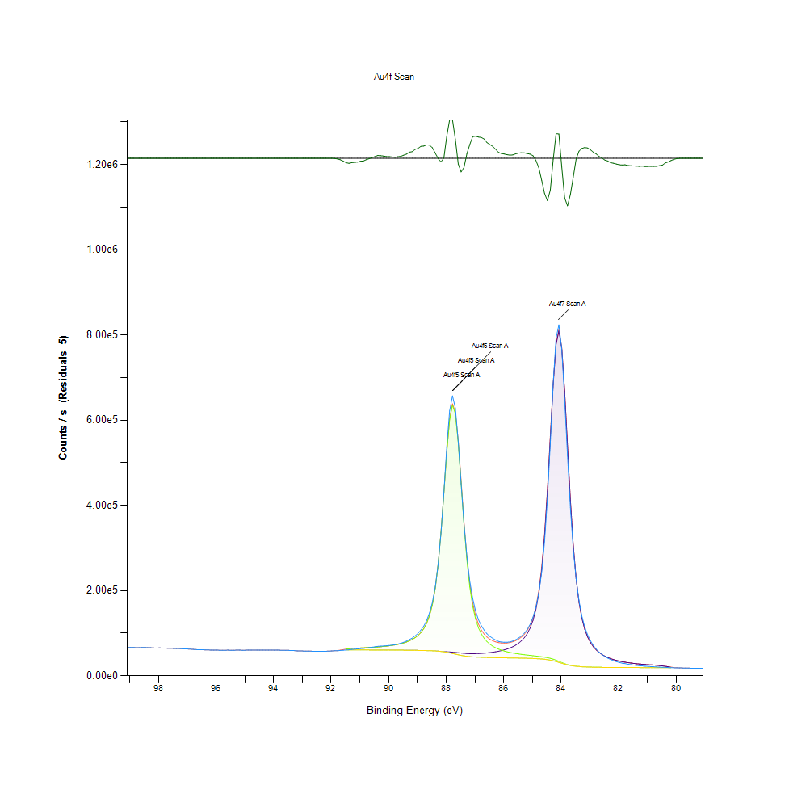
Binding Energy | Raw Data | Au4f7 | Au4f5 | Backgnd. | Envelope | Residuals | Binding Energy (calibrated) | Raw Data (Normalised) | Au4f7 (Normalised) | Au4f5 (Normalised) | Backgnd. (Normalised) | Envelope (Normalised) | Residuals (Normalised)
eV | Counts / s | Counts / s | Counts / s | Counts / s | Counts / s | Counts / s (Residuals 5) | eV | Counts / s | Counts / s | Counts / s | Counts / s | Counts / s | Counts / s (Residuals 5)
99.08 | 66723.4 | 0 | 0 | 0 | 66723.4 | 0 | 99 | 0.060881919465 |  |  |  | 0.060881919465
98.98 | 66555.4 | 0 | 0 | 0 | 66555.4 | 0 | 98.9 | 0.06067357094 |  |  |  | 0.06067357094
98.88 | 66460 | 0 | 0 | 0 | 66460 | 0 | 98.8 | 0.060555258742 |  |  |  | 0.060555258742
98.78 | 66143.7 | 0 | 0 | 0 | 66143.7 | 0 | 98.7 | 0.060162993036 |  |  |  | 0.060162993036
98.68 | 66151.1 | 0 | 0 | 0 | 66151.1 | 0 | 98.6 | 0.060172170292 |  |  |  | 0.060172170292
98.58 | 66356.1 | 0 | 0 | 0 | 66356.1 | 0 | 98.5 | 0.0604264051 |  |  |  | 0.0604264051
98.48 | 66375.3 | 0 | 0 | 0 | 66375.3 | 0 | 98.4 | 0.06045021636 |  |  |  | 0.06045021636
98.38 | 66052.5 | 0 | 0 | 0 | 66052.5 | 0 | 98.3 | 0.06004988955 |  |  |  | 0.06004988955
98.28 | 65807.2 | 0 | 0 | 0 | 65807.2 | 0 | 98.2 | 0.0597456759 |  |  |  | 0.0597456759
98.18 | 65410.4 | 0 | 0 | 0 | 65410.4 | 0 | 98.1 | 0.059253576526 |  |  |  | 0.059253576526
98.08 | 64903.5 | 0 | 0 | 0 | 64903.5 | 0 | 98 | 0.058624934457 |  |  |  | 0.058624934457
97.98 | 65346.1 | 0 | 0 | 0 | 65346.1 | 0 | 97.9 | 0.059173833608 |  |  |  | 0.059173833608
97.88 | 65094.6 | 0 | 0 | 0 | 65094.6 | 0 | 97.8 | 0.058861930905 |  |  |  | 0.058861930905
97.78 | 65083.2 | 0 | 0 | 0 | 65083.2 | 0 | 97.7 | 0.058847792969 |  |  |  | 0.058847792969
97.68 | 64645.6 | 0 | 0 | 0 | 64645.6 | 0 | 97.6 | 0.058305094667 |  |  |  | 0.058305094667
97.58 | 64683.1 | 0 | 0 | 0 | 64683.1 | 0 | 97.5 | 0.058351601034 |  |  |  | 0.058351601034
97.48 | 64153.9 | 0 | 0 | 0 | 64153.9 | 0 | 97.4 | 0.057695303179 |  |  |  | 0.057695303179
97.38 | 63821.6 | 0 | 0 | 0 | 63821.6 | 0 | 97.3 | 0.057283194757 |  |  |  | 0.057283194757
97.28 | 63931.5 | 0 | 0 | 0 | 63931.5 | 0 | 97.2 | 0.057419489417 |  |  |  | 0.057419489417
97.18 | 63350.8 | 0 | 0 | 0 | 63350.8 | 0 | 97.1 | 0.056699322818 |  |  |  | 0.056699322818
97.08 | 62987.6 | 0 | 0 | 0 | 62987.6 | 0 | 97 | 0.056248893148 |  |  |  | 0.056248893148
96.98 | 62878.7 | 0 | 0 | 0 | 62878.7 | 0 | 96.9 | 0.056113838658 |  |  |  | 0.056113838658
96.88 | 62382.7 | 0 | 0 | 0 | 62382.7 | 0 | 96.8 | 0.05549871444 |  |  |  | 0.05549871444
96.78 | 61909.4 | 0 | 0 | 0 | 61909.4 | 0 | 96.7 | 0.054911742076 |  |  |  | 0.054911742076
96.68 | 61449.2 | 0 | 0 | 0 | 61449.2 | 0 | 96.6 | 0.054341015937 |  |  |  | 0.054341015937
96.58 | 61253.4 | 0 | 0 | 0 | 61253.4 | 0 | 96.5 | 0.054098190691 |  |  |  | 0.054098190691
96.48 | 61079.3 | 0 | 0 | 0 | 61079.3 | 0 | 96.4 | 0.05388227713 |  |  |  | 0.05388227713
96.38 | 60902.1 | 0 | 0 | 0 | 60902.1 | 0 | 96.3 | 0.053662519043 |  |  |  | 0.053662519043
96.28 | 60727.9 | 0 | 0 | 0 | 60727.9 | 0 | 96.2 | 0.053446481465 |  |  |  | 0.053446481465
96.18 | 60291.1 | 0 | 0 | 0 | 60291.1 | 0 | 96.1 | 0.052904775299 |  |  |  | 0.052904775299
96.08 | 60040 | 0 | 0 | 0 | 60040 | 0 | 96 | 0.052593368663 |  |  |  | 0.052593368663
95.98 | 60241.7 | 0 | 0 | 0 | 60241.7 | 0 | 95.9 | 0.052843510911 |  |  |  | 0.052843510911
95.88 | 59970.7 | 0 | 0 | 0 | 59970.7 | 0 | 95.8 | 0.052507424897 |  |  |  | 0.052507424897
95.78 | 59938 | 0 | 0 | 0 | 59938 | 0 | 95.7 | 0.052466871344 |  |  |  | 0.052466871344
95.68 | 59887.3 | 0 | 0 | 0 | 59887.3 | 0 | 95.6 | 0.052403994736 |  |  |  | 0.052403994736
95.58 | 60144.5 | 0 | 0 | 0 | 60144.5 | 0 | 95.5 | 0.052722966407 |  |  |  | 0.052722966407
95.48 | 59798.6 | 0 | 0 | 0 | 59798.6 | 0 | 95.4 | 0.052293991675 |  |  |  | 0.052293991675
95.38 | 59935.6 | 0 | 0 | 0 | 59935.6 | 0 | 95.3 | 0.052463894937 |  |  |  | 0.052463894937
95.28 | 60219.1 | 0 | 0 | 0 | 60219.1 | 0 | 95.2 | 0.052815483073 |  |  |  | 0.052815483073
95.18 | 60213.2 | 0 | 0 | 0 | 60213.2 | 0 | 95.1 | 0.052808166072 |  |  |  | 0.052808166072
95.08 | 59845 | 0 | 0 | 0 | 59845 | 0 | 95 | 0.052351535553 |  |  |  | 0.052351535553
94.98 | 60080.4 | 0 | 0 | 0 | 60080.4 | 0 | 94.9 | 0.052643471523 |  |  |  | 0.052643471523
94.88 | 60275.4 | 0 | 0 | 0 | 60275.4 | 0 | 94.8 | 0.052885304633 |  |  |  | 0.052885304633
94.78 | 60176.7 | 0 | 0 | 0 | 60176.7 | 0 | 94.7 | 0.052762899874 |  |  |  | 0.052762899874
94.68 | 60101.5 | 0 | 0 | 0 | 60101.5 | 0 | 94.6 | 0.052669639106 |  |  |  | 0.052669639106
94.58 | 60235.2 | 0 | 0 | 0 | 60235.2 | 0 | 94.5 | 0.052835449807 |  |  |  | 0.052835449807
94.48 | 60181.1 | 0 | 0 | 0 | 60181.1 | 0 | 94.4 | 0.052768356621 |  |  |  | 0.052768356621
94.38 | 60301.9 | 0 | 0 | 0 | 60301.9 | 0 | 94.3 | 0.052918169132 |  |  |  | 0.052918169132
94.28 | 60093.2 | 0 | 0 | 0 | 60093.2 | 0 | 94.2 | 0.052659345696 |  |  |  | 0.052659345696
94.18 | 60149.4 | 0 | 0 | 0 | 60149.4 | 0 | 94.1 | 0.052729043239 |  |  |  | 0.052729043239
94.08 | 60256.5 | 0 | 0 | 0 | 60256.5 | 0 | 94 | 0.052861865424 |  |  |  | 0.052861865424
93.98 | 60088 | 0 | 0 | 0 | 60088 | 0 | 93.9 | 0.052652896813 |  |  |  | 0.052652896813
93.88 | 60259.2 | 0 | 0 | 0 | 60259.2 | 0 | 93.8 | 0.052865213882 |  |  |  | 0.052865213882
93.78 | 60064 | 0 | 0 | 0 | 60064 | 0 | 93.7 | 0.052623132738 |  |  |  | 0.052623132738
93.68 | 59897.6 | 0 | 0 | 0 | 59897.6 | 0 | 93.6 | 0.052416768485 |  |  |  | 0.052416768485
93.58 | 59588.6 | 0 | 0 | 0 | 59588.6 | 0 | 93.5 | 0.052033556018 |  |  |  | 0.052033556018
93.48 | 59701.9 | 0 | 0 | 0 | 59701.9 | 0 | 93.4 | 0.052174067256 |  |  |  | 0.052174067256
93.38 | 59158 | 0 | 0 | 0 | 59158 | 0 | 93.3 | 0.051499538905 |  |  |  | 0.051499538905
93.28 | 59127.9 | 0 | 0 | 0 | 59127.9 | 0 | 93.2 | 0.051462209794 |  |  |  | 0.051462209794
93.18 | 58531.3 | 0 | 0 | 0 | 58531.3 | 0 | 93.1 | 0.050722324495 |  |  |  | 0.050722324495
93.08 | 58562.4 | 0 | 0 | 0 | 58562.4 | 0 | 93 | 0.050760893775 |  |  |  | 0.050760893775
92.98 | 58184.7 | 0 | 0 | 0 | 58184.7 | -3.12E-09 | 92.9 | 0.050292481644 |  |  |  | 0.050292481644 | -0.021866425776
92.88 | 57913.7 | 0 | 0 | 0 | 57913.7 | -8.90E-08 | 92.8 | 0.04995639563 |  |  |  | 0.04995639563 | -0.021866425776
92.78 | 58002.8 | 0 | 0 | 0 | 58002.8 | -2.01E-06 | 92.7 | 0.050066894759 |  |  |  | 0.050066894759 | -0.021866425779
92.68 | 57737.5 | 0 | 0 | 0 | 57737.5 | -3.62E-05 | 92.6 | 0.049737877712 |  |  |  | 0.049737877712 | -0.021866425821
92.58 | 57550.6 | 0 | 0 | 0 | 57550.6 | -0.000520663 | 92.5 | 0.049506089978 |  |  |  | 0.049506089978 | -0.021866426422
92.48 | 57255.6 | 0 | 0 | 0 | 57255.6 | -0.00599819 | 92.4 | 0.049140239889 |  |  |  | 0.049140239889 | -0.021866433215
92.38 | 57558 | 0 | 0 | 0 | 57558.1 | -0.0553464 | 92.3 | 0.049515267234 |  |  |  | 0.049515391251 | -0.021866494415
92.28 | 57584 | 0 | 0 | 0 | 57584.4 | -0.409681 | 92.2 | 0.049547511649 |  |  |  | 0.049548007717 | -0.02186693385
92.18 | 57515.4 | 0 | 0 | 0 | 57517.8 | -2.43778 | 92.1 | 0.049462436001 |  |  |  | 0.049465412409 | -0.021869449037
92.08 | 57929.5 | 0 | 0 | 0 | 57941.2 | -11.6935 | 92 | 0.049975990313 |  |  |  | 0.049990500299 | -0.021880927702
91.98 | 58272.7 | 0 | 0 | 0 | 58318.1 | -45.3878 | 91.9 | 0.050401616586 |  |  |  | 0.050457920295 | -0.021922714355
91.88 | 58875.9 | 0 | 0 | 0 | 59019.2 | -143.293 | 91.8 | 0.051149687006 |  |  |  | 0.051327403337 | -0.022044133426
91.78 | 58715.6 | 0 | 0 | 0 | 59086.2 | -370.613 | 91.7 | 0.050950887788 |  |  |  | 0.051410494714 | -0.022326048824
91.68 | 59480 | 0 | 0 | 0 | 60273.2 | -793.178 | 91.6 | 0.051898873579 |  |  |  | 0.052882576259 | -0.022850101173
91.58 | 59954.4 | 0 | 0 | 0 | 61378.7 | -1424.36 | 91.5 | 0.052487210129 |  |  |  | 0.054253583967 | -0.023632874024
91.48 | 60550.8 | 60589 | 62776.5 | 60589 | 62776.5 | -2225.72 | 91.4 | 0.053226847394 | 0.05327422188 | 0.055987093305 | 0.05327422188 | 0.055987093305 | -0.02462669649
91.38 | 60999.9 | 60580.2 | 63525.8 | 60580.2 | 63525.8 | -2525.86 | 91.3 | 0.053783807649 | 0.053263308386 | 0.056916352532 | 0.053263308386 | 0.056916352532 | -0.024998921052
91.28 | 61960.2 | 60570.2 | 64155.5 | 60570.2 | 64155.5 | -2195.3 | 91.2 | 0.054974742702 | 0.053250906688 | 0.057697287451 | 0.053250906688 | 0.057697287451 | -0.024588970525
91.18 | 62616.4 | 60559.2 | 64634.5 | 60559.2 | 64634.5 | -2018.19 | 91.1 | 0.055788542121 | 0.05323726482 | 0.058291328782 | 0.05323726482 | 0.058291328782 | -0.024369324053
91.08 | 63084.6 | 60546.3 | 65002 | 60546.3 | 65002 | -1917.43 | 91 | 0.056369189618 | 0.05322126663 | 0.058747091182 | 0.05322126663 | 0.058747091182 | -0.024244364544
90.98 | 63813.8 | 60531.4 | 65318.8 | 60531.4 | 65318.8 | -1504.98 | 90.9 | 0.057273521432 | 0.0532027881 | 0.059139976973 | 0.0532027881 | 0.059139976973 | -0.023732856513
90.88 | 64231.8 | 60514.6 | 65630.8 | 60514.6 | 65630.8 | -1399 | 90.8 | 0.057791912406 | 0.053181953248 | 0.059526909948 | 0.053181953248 | 0.059526909948 | -0.023601423318
90.78 | 65240.7 | 60495.6 | 65963 | 60495.6 | 65963 | -722.282 | 90.7 | 0.059043119712 | 0.053158390021 | 0.059938894354 | 0.053158390021 | 0.059938894354 | -0.022762178095
90.68 | 66075.4 | 60474.3 | 66327 | 60474.3 | 66327 | -251.619 | 90.6 | 0.060078289439 | 0.053131974405 | 0.060390316159 | 0.053131974405 | 0.060390316159 | -0.02217847606
90.58 | 66997.3 | 60450.5 | 66730.3 | 60450.5 | 66730.3 | 267.003 | 90.5 | 0.061221601972 | 0.053102458364 | 0.060890476637 | 0.053102458364 | 0.060890476637 | -0.021535296721
90.48 | 67962.9 | 60423.9 | 67179.2 | 60423.9 | 67179.2 | 783.663 | 90.4 | 0.062419109925 | 0.053069469847 | 0.061447188858 | 0.053069469847 | 0.061447188858 | -0.020894550595
90.38 | 69005.1 | 60394.6 | 67682 | 60394.6 | 67682 | 1323.11 | 90.3 | 0.063711614885 | 0.053033132872 | 0.06207074623 | 0.053033132872 | 0.06207074623 | -0.02022554472
90.28 | 69486.4 | 60363.1 | 68248.1 | 60363.1 | 68248.1 | 1238.32 | 90.2 | 0.064308508607 | 0.052994067524 | 0.06277280635 | 0.052994067524 | 0.06277280635 | -0.020330698717
90.18 | 69937.6 | 60329.4 | 68889 | 60329.4 | 68889 | 1048.62 | 90.1 | 0.064868073218 | 0.052952273802 | 0.063567631172 | 0.052952273802 | 0.063567631172 | -0.020565958927
90.08 | 70429 | 60293.7 | 69618.8 | 60293.7 | 69618.8 | 810.152 | 90 | 0.065477492654 | 0.05290799974 | 0.064472707087 | 0.05290799974 | 0.064472707087 | -0.020861699737
89.98 | 71227 | 60256.1 | 70454.8 | 60256.1 | 70454.8 | 772.256 | 89.9 | 0.06646714815 | 0.052861369356 | 0.065509489035 | 0.052861369356 | 0.065509489035 | -0.020908697212
89.88 | 71996.6 | 60216.4 | 71418.1 | 60216.4 | 71418.1 | 578.527 | 89.8 | 0.067421582824 | 0.052812134615 | 0.066704144598 | 0.052812134615 | 0.066704144598 | -0.021148954066
89.78 | 72969.3 | 60173.8 | 72535.1 | 60173.8 | 72535.1 | 434.179 | 89.7 | 0.068627895982 | 0.052759303382 | 0.068089414258 | 0.052759303382 | 0.068089414258 | -0.021327970095
89.68 | 74567.8 | 60127.7 | 73839.8 | 60127.7 | 73839.8 | 727.956 | 89.6 | 0.070610307398 | 0.052702131554 | 0.069707463788 | 0.052702131554 | 0.069707463788 | -0.020963636733
89.58 | 76281.1 | 60077.2 | 75376.1 | 60077.2 | 75376.1 | 905.071 | 89.5 | 0.072735090307 | 0.05263950298 | 0.071612736643 | 0.05263950298 | 0.071612736643 | -0.02074398406
89.48 | 78676.6 | 60021.1 | 77201.6 | 60021.1 | 77201.6 | 1475.05 | 89.4 | 0.075705917049 | 0.052569929454 | 0.073876666602 | 0.052569929454 | 0.073876666602 | -0.020037113321
89.38 | 81390.7 | 59957.8 | 79393.4 | 59957.8 | 79393.4 | 1997.4 | 89.3 | 0.079071861887 | 0.052491426706 | 0.076594870757 | 0.052491426706 | 0.076594870757 | -0.019389310629
89.28 | 85031.4 | 59886.4 | 82057.2 | 59886.4 | 82057.2 | 2974.15 | 89.2 | 0.083586948056 | 0.052402878583 | 0.079898435055 | 0.052402878583 | 0.079898435055 | -0.018177974783
89.18 | 88542.6 | 59804.6 | 85339.6 | 59804.6 | 85339.6 | 3203.02 | 89.1 | 0.087941432237 | 0.052301432694 | 0.083969168387 | 0.052301432694 | 0.083969168387 | -0.017894137122
89.08 | 93799.5 | 59710.6 | 89450.1 | 59710.6 | 89450.1 | 4349.46 | 89 | 0.094460880828 | 0.052184856733 | 0.089066886326 | 0.052184856733 | 0.089066886326 | -0.016472356863
88.98 | 99489.8 | 59601.4 | 94694.7 | 59601.4 | 94694.7 | 4795.13 | 88.9 | 0.10151781901 | 0.052049430192 | 0.095571080828 | 0.052049430192 | 0.095571080828 | -0.015919650391
88.88 | 107392 | 59473.8 | 101536 | 59473.8 | 101536 | 5855.68 | 88.8 | 0.11131788875 | 0.051891184526 | 0.10405545444 | 0.051891184526 | 0.10405545444 | -0.014604388316
88.78 | 116666 | 59322 | 110695 | 59322 | 110695 | 5971.27 | 88.7 | 0.12281922343 | 0.051702926751 | 0.11541416958 | 0.051702926751 | 0.11541416958 | -0.01446103709
88.68 | 129869 | 59139 | 123321 | 59138.9 | 123321 | 6548.42 | 88.6 | 0.13919318522 | 0.051475975679 | 0.13107255341 | 0.051475851662 | 0.13107255341 | -0.013745273093
88.58 | 147683 | 58914.2 | 141265 | 58913.4 | 141266 | 6417 | 88.5 | 0.16128556993 | 0.051197185509 | 0.15332616019 | 0.051196193373 | 0.15332740036 | -0.013908256207
88.48 | 172561 | 58633.9 | 167417 | 58629.4 | 167422 | 5138.94 | 88.4 | 0.19213851407 | 0.050849565916 | 0.18575908065 | 0.050843985152 | 0.1857652815 | -0.015493267614
88.38 | 208376 | 58282.3 | 205870 | 58261.7 | 205890 | 2485.63 | 88.3 | 0.23655519524 | 0.050413522216 | 0.23344732974 | 0.050387974718 | 0.23347213314 | -0.018783822531
88.28 | 261202 | 57852.2 | 261284 | 57775.4 | 261360 | -158.812 | 88.2 | 0.30206840479 | 0.049880125188 | 0.30217009871 | 0.049784880148 | 0.30226435162 | -0.022063379621
88.18 | 334930 | 57359.6 | 336553 | 57126.4 | 336786 | -1855.66 | 88.1 | 0.39350364337 | 0.049269217547 | 0.39551643895 | 0.048980009951 | 0.39580539851 | -0.024167759256
88.08 | 429296 | 56848.1 | 428569 | 56267.3 | 429150 | 145.722 | 88 | 0.51053350616 | 0.048634870697 | 0.50963190272 | 0.047914580081 | 0.51035244137 | -0.021685705753
87.98 | 536161 | 56368.9 | 524207 | 55168.8 | 525407 | 10754.1 | 87.9 | 0.64306425121 | 0.048040581332 | 0.62823926149 | 0.046552253562 | 0.62972746525 | -0.0085295157931
87.88 | 621852 | 55927.8 | 600963 | 53840.4 | 603050 | 18801.6 | 87.8 | 0.74933564104 | 0.047493542436 | 0.72342973421 | 0.044904812008 | 0.72601796857 | 0.0014507506252
87.78 | 657198 | 55458.8 | 635278 | 52340.4 | 638396 | 18801.8 | 87.7 | 0.79317068258 | 0.046911902802 | 0.7659861607 | 0.043044557316 | 0.76985301012 | 0.0014509986591
87.68 | 628343 | 54875.4 | 614997 | 50767.8 | 619104 | 9239.17 | 87.6 | 0.75738558317 | 0.046188387745 | 0.7408342771 | 0.041094266298 | 0.74592765445 | -0.010408286219
87.58 | 548801 | 54161.5 | 546744 | 49240.2 | 551665 | -2863.95 | 87.5 | 0.65873999741 | 0.045303030529 | 0.65618896814 | 0.039199782921 | 0.6622918437 | -0.025418210058
87.48 | 450663 | 53401.1 | 451896 | 47860.8 | 457436 | -6773.35 | 87.4 | 0.53703221415 | 0.044360005417 | 0.53856134351 | 0.037489092707 | 0.54543188417 | -0.030266529851
87.38 | 356158 | 52722.6 | 354641 | 46693.9 | 360670 | -4511.73 | 87.3 | 0.41982996776 | 0.043518550212 | 0.41794863018 | 0.036041938574 | 0.42542561387 | -0.027461737041
87.28 | 280213 | 52223 | 271555 | 45756.7 | 278021 | 2191.41 | 87.2 | 0.32564527275 | 0.042898961383 | 0.31490788267 | 0.034879651443 | 0.32292682056 | -0.019148705288
87.18 | 222157 | 51935.9 | 208596 | 45027.2 | 215505 | 6652.17 | 87.1 | 0.25364597518 | 0.042542908635 | 0.2368280326 | 0.033974947578 | 0.24539636571 | -0.013616605477
87.08 | 182139 | 51851.2 | 164200 | 44466.6 | 171585 | 10554.4 | 87 | 0.20401686036 | 0.042437866253 | 0.18176945442 | 0.033279708391 | 0.19092810835 | -0.008777177701
86.98 | 152570 | 51941.5 | 133837 | 44033.1 | 141746 | 10824.6 | 86.9 | 0.16734627971 | 0.042549853586 | 0.14411417896 | 0.032742094786 | 0.15392268186 | -0.0084420838226
86.88 | 131922 | 52181.1 | 113035 | 43691.5 | 121524 | 10397.1 | 86.8 | 0.1417392538 | 0.042846998268 | 0.1183161669 | 0.032318452784 | 0.12884396829 | -0.0089722564096
86.78 | 117787 | 52552.2 | 98466.4 | 43414.8 | 107604 | 10183.2 | 86.7 | 0.12420945376 | 0.043307225279 | 0.10024862924 | 0.031975297802 | 0.11158080475 | -0.0092375287285
86.68 | 107221 | 53047.9 | 87951.7 | 43185.4 | 97814.2 | 9406.61 | 86.6 | 0.11110581972 | 0.043921977446 | 0.087208615906 | 0.031690802851 | 0.099439790501 | -0.010200632189
86.58 | 98449.3 | 53667.7 | 80127 | 42989.8 | 90804.9 | 7644.4 | 86.5 | 0.10022742234 | 0.044690634684 | 0.077504659318 | 0.031448225639 | 0.090747068363 | -0.012386071802
86.48 | 92428.7 | 54418.1 | 74141.8 | 42818.9 | 85741 | 6687.76 | 86.4 | 0.092760856074 | 0.045621258098 | 0.070081995066 | 0.031236280622 | 0.084466972542 | -0.013572467834
86.38 | 87893.4 | 55312.7 | 69454.3 | 42666.9 | 82100.1 | 5793.36 | 86.3 | 0.087136314007 | 0.046730713996 | 0.064268699156 | 0.031047774813 | 0.079951638339 | -0.014681675698
86.28 | 83938.2 | 56371 | 65708.7 | 42529.7 | 79550.1 | 4388.14 | 86.2 | 0.082231194437 | 0.048043185689 | 0.059623519175 | 0.030877623517 | 0.076789205364 | -0.016424387096
86.18 | 80711.5 | 57619 | 62662.6 | 42403.1 | 77878.5 | 2833.02 | 86.1 | 0.078229538563 | 0.049590917592 | 0.055845837965 | 0.030720618021 | 0.074716137536 | -0.018352999946
86.08 | 79269.9 | 59091.2 | 60146.8 | 42283.9 | 76954.1 | 2315.87 | 86 | 0.076441709787 | 0.051416695563 | 0.052725818797 | 0.030572789782 | 0.073569724578 | -0.018994353755
85.98 | 78760 | 60833.6 | 58040.1 | 42169.6 | 76704.1 | 2055.91 | 85.9 | 0.075809347209 | 0.053577567412 | 0.050113153092 | 0.030431038374 | 0.07325968213 | -0.019316748295
85.88 | 78821.3 | 62906.2 | 56253.3 | 42057.5 | 77102 | 1719.31 | 85.8 | 0.075885369618 | 0.056147943327 | 0.047897217704 | 0.03029201534 | 0.073753145691 | -0.019734189447
85.78 | 79651.7 | 65389 | 54718.8 | 41944.5 | 78163.3 | 1488.36 | 85.7 | 0.076915206615 | 0.059227036892 | 0.045994177155 | 0.030151876154 | 0.075069337893 | -0.020020606661
85.68 | 81573.6 | 68390.3 | 53385.3 | 41828 | 79947.6 | 1626.01 | 85.6 | 0.079298688942 | 0.062949158495 | 0.044340410734 | 0.030007396373 | 0.077282172857 | -0.019849897289
85.58 | 84744.7 | 72059.3 | 52212.5 | 41705.5 | 82566.4 | 2178.31 | 85.5 | 0.083231391376 | 0.06749934147 | 0.0428859396 | 0.029855475573 | 0.080529929514 | -0.019164951512
85.48 | 88728.9 | 76604.7 | 51168.3 | 41574 | 86198.9 | 2529.99 | 85.4 | 0.08817247587 | 0.073136409252 | 0.041590954301 | 0.029692393245 | 0.085034846291 | -0.018728808599
85.38 | 93819.9 | 82325.7 | 50226.2 | 41430.3 | 91121.7 | 2698.2 | 85.3 | 0.094486180292 | 0.080231420644 | 0.040422590338 | 0.029514180846 | 0.091139954153 | -0.018520199638
85.28 | 100364 | 89663.8 | 49364.1 | 41270.4 | 97757.5 | 2606.81 | 85.2 | 0.10260197544 | 0.089331910611 | 0.039353439958 | 0.029315877695 | 0.099369472873 | -0.018633538755
85.18 | 109027 | 99289.3 | 48561.7 | 41089.2 | 106762 | 2265.55 | 85.1 | 0.11334556637 | 0.10126916496 | 0.038358327715 | 0.029091158929 | 0.11053658178 | -0.019056759099
85.08 | 121149 | 112251 | 47799.8 | 40879.3 | 119172 | 1976.88 | 85 | 0.12837890461 | 0.11734387378 | 0.037413442349 | 0.028830847289 | 0.12592708893 | -0.019414758913
84.98 | 137854 | 130233 | 47058.1 | 40630.5 | 136660 | 1193.42 | 84.9 | 0.14909594102 | 0.13964460702 | 0.036493608413 | 0.028522293044 | 0.14761517829 | -0.02038638234
84.88 | 160814 | 155935 | 46312.7 | 40327.1 | 161920 | -1106.89 | 84.8 | 0.1775702395 | 0.17151945107 | 0.035569185848 | 0.028146025529 | 0.17894186729 | -0.02323915732
84.78 | 194414 | 193521 | 45533.5 | 39946 | 199109 | -4694.91 | 84.7 | 0.21923994458 | 0.21813247295 | 0.034602845545 | 0.02767339682 | 0.22506254176 | -0.027688911344
84.68 | 243074 | 248716 | 44679.1 | 39452.7 | 253942 | -10868.3 | 84.6 | 0.27958660676 | 0.28658364474 | 0.033543244473 | 0.027061621061 | 0.29306477208 | -0.03534496315
84.58 | 315156 | 327607 | 43690.4 | 38798.2 | 332500 | -17343.7 | 84.5 | 0.36898052586 | 0.38442187997 | 0.032317088597 | 0.02624992993 | 0.39049003077 | -0.043375558634
84.48 | 416670 | 433000 | 42486 | 37920.7 | 437565 | -20895.2 | 84.4 | 0.49487512234 | 0.51512709508 | 0.030823428097 | 0.025161680936 | 0.52078847019 | -0.047780021658
84.38 | 547005 | 558480 | 40965.6 | 36758.6 | 562687 | -15682.6 | 84.3 | 0.65651265246 | 0.67074360085 | 0.028937873942 | 0.023720479618 | 0.67596099517 | -0.041315512589
84.28 | 686810 | 683758 | 39037.3 | 35278.4 | 687517 | -706.686 | 84.2 | 0.82989459053 | 0.82610959232 | 0.026546454528 | 0.021884780289 | 0.83077139057 | -0.022742836407
84.18 | 792542 | 777389 | 36671.1 | 33502.8 | 780557 | 11984.8 | 84.1 | 0.9610202232 | 0.94222793031 | 0.023611964761 | 0.019682734803 | 0.94615678822 | -0.0070032388274
84.08 | 823973 | 809630 | 33961.6 | 31522.2 | 812070 | 11903.3 | 84 | 1 | 0.98221224464 | 0.020251724704 | 0.017226454508 | 0.98523825894 | -0.0071043126657
83.98 | 766125 | 768785 | 31139.7 | 29477.4 | 770447 | -4322.48 | 83.9 | 0.92825865775 | 0.9315575094 | 0.016752089562 | 0.014690555313 | 0.9336186716 | -0.027227034908
83.88 | 649899 | 668389 | 28501.1 | 27525.2 | 669364 | -19465.4 | 83.8 | 0.78411868326 | 0.80704942275 | 0.013479777543 | 0.012269495841 | 0.8082585883 | -0.046006826887
83.78 | 516073 | 539030 | 26279.6 | 25796.2 | 539514 | -23440.2 | 83.7 | 0.61815172039 | 0.64662229835 | 0.010724740346 | 0.010125242267 | 0.64722254053 | -0.050936253784
83.68 | 394188 | 411819 | 24563.7 | 24364.8 | 412018 | -17829.2 | 83.6 | 0.46699362503 | 0.48885905867 | 0.0085967329959 | 0.0083500632239 | 0.48910585246 | -0.04397766107
83.58 | 296903 | 306091 | 23306 | 23238.7 | 306158 | -9255.42 | 83.5 | 0.34634370661 | 0.35773838668 | 0.0070369714458 | 0.0069535080187 | 0.35782147805 | -0.033344718092
83.48 | 226978 | 227380 | 22399.9 | 22381.4 | 227399 | -421.335 | 83.4 | 0.25962483376 | 0.26012338201 | 0.0059132535954 | 0.0058903104542 | 0.26014694524 | -0.022388952716
83.38 | 175891 | 172389 | 21741.7 | 21737.6 | 172394 | 3497.44 | 83.3 | 0.19626827948 | 0.19192520486 | 0.0050969738369 | 0.0050918891407 | 0.19193140571 | -0.017529006331
83.28 | 139672 | 134870 | 21253.3 | 21252.5 | 134871 | 4801.27 | 83.2 | 0.15135056971 | 0.14539527436 | 0.0044912749094 | 0.0044902827736 | 0.14539651453 | -0.015912035749
83.18 | 114352 | 109105 | 20881.4 | 20881.3 | 109105 | 5246.13 | 83.1 | 0.11994947052 | 0.11344229961 | 0.004030055763 | 0.004029931746 | 0.11344229961 | -0.015360333814
83.08 | 96005.6 | 90982 | 20592.3 | 20592.3 | 90982 | 5023.61 | 83 | 0.097196819411 | 0.090966702433 | 0.0036715226755 | 0.0036715226755 | 0.090966702433 | -0.015636296397
82.98 | 81935.3 | 77840.6 | 20362.7 | 20362.7 | 77840.6 | 4094.69 | 82.9 | 0.079747258357 | 0.074669135101 | 0.0033867796908 | 0.0033867796908 | 0.074669135101 | -0.016788314922
82.88 | 70939.2 | 68024.1 | 20176.7 | 20176.7 | 68024.1 | 2915.04 | 82.8 | 0.066110227283 | 0.062495008317 | 0.0031561081091 | 0.0031561081091 | 0.062495008317 | -0.018251281219
82.78 | 62545.2 | 60496.4 | 20024 | 20024 | 60496.4 | 2048.81 | 82.7 | 0.055700242032 | 0.053159382157 | 0.0029667341815 | 0.0029667341815 | 0.053159382157 | -0.0193255535
82.68 | 55421.4 | 54593.4 | 19897.3 | 19897.3 | 54593.4 | 828.051 | 82.6 | 0.046865520452 | 0.045838659863 | 0.0028096046686 | 0.0028096046686 | 0.045838659863 | -0.020839501938
82.58 | 49911.5 | 49875.9 | 19791.4 | 19791.4 | 49875.9 | 35.5437 | 82.5 | 0.040032308903 | 0.039988158859 | 0.0026782706874 | 0.0026782706874 | 0.039988158859 | -0.021822345553
82.48 | 45084.1 | 46044.3 | 19702.1 | 19702.1 | 46044.3 | -960.139 | 82.4 | 0.034045513239 | 0.035236324276 | 0.0025675235248 | 0.0025675235248 | 0.035236324276 | -0.023057161162
82.38 | 41512.2 | 42888.8 | 19626.6 | 19626.6 | 42888.8 | -1376.58 | 82.3 | 0.029615750752 | 0.03132296849 | 0.0024738907053 | 0.0024738907053 | 0.03132296849 | -0.023573618711
82.28 | 38045.9 | 40258.3 | 19562.3 | 19562.3 | 40258.3 | -2212.4 | 82.2 | 0.025316950194 | 0.028060701847 | 0.0023941477876 | 0.0023941477876 | 0.028060701847 | -0.024610177429
82.18 | 35552.6 | 38042 | 19507.3 | 19507.3 | 38042 | -2489.37 | 82.1 | 0.022224834847 | 0.025312113532 | 0.0023259384489 | 0.0023259384489 | 0.025312113532 | -0.024953667256
82.08 | 33271.8 | 36157.1 | 19460.1 | 19460.1 | 36157.1 | -2885.27 | 82 | 0.01939625558 | 0.022974517487 | 0.0022674024346 | 0.0022674024346 | 0.022974517487 | -0.025444650478
81.98 | 31317.2 | 34540.5 | 19419.6 | 19419.6 | 34540.5 | -3223.26 | 81.9 | 0.016972219701 | 0.020969658998 | 0.0022171755579 | 0.0022171755579 | 0.020969658998 | -0.025863815467
81.88 | 29771.2 | 33143.2 | 19384.2 | 19384.2 | 33143.2 | -3371.95 | 81.8 | 0.015054917199 | 0.019236769745 | 0.0021732735472 | 0.0021732735472 | 0.019236769745 | -0.026048216313
81.78 | 28680.5 | 31927.4 | 19353.6 | 19353.6 | 31927.4 | -3246.95 | 81.7 | 0.013702264004 | 0.017728971309 | 0.0021353243515 | 0.0021353243515 | 0.017728971309 | -0.025893195089
81.68 | 27235.5 | 30863 | 19326.9 | 19326.9 | 30863 | -3627.48 | 81.6 | 0.011910218652 | 0.01640893458 | 0.002102211818 | 0.002102211818 | 0.01640893458 | -0.026365116901
81.58 | 26228.9 | 29925.7 | 19303.6 | 19303.6 | 29925.7 | -3696.84 | 81.5 | 0.010661863737 | 0.015246523432 | 0.0020733158618 | 0.0020733158618 | 0.015246523432 | -0.026451135078
81.48 | 25269.6 | 29096.3 | 19283.3 | 19283.3 | 29096.3 | -3826.67 | 81.4 | 0.0094721688536 | 0.014217926605 | 0.002048140415 | 0.002048140415 | 0.014217926605 | -0.026612146322
81.38 | 24477 | 28359 | 19265.8 | 19265.8 | 28359 | -3882.04 | 81.3 | 0.0084892102748 | 0.013303549416 | 0.0020264374436 | 0.0020264374436 | 0.013303549416 | -0.026680814524
81.28 | 23689.7 | 27700.6 | 19250.5 | 19250.5 | 27700.6 | -4010.86 | 81.2 | 0.0075128245958 | 0.012487021623 | 0.0020074628458 | 0.0020074628458 | 0.012487021623 | -0.026840573197
81.18 | 23255 | 27110.2 | 19237.4 | 19237.4 | 27110.2 | -3855.25 | 81.1 | 0.0069737227863 | 0.011754825377 | 0.0019912166215 | 0.0019912166215 | 0.011754825377 | -0.026647590375
81.08 | 22467.5 | 26578.5 | 19226 | 19226 | 26578.5 | -4111.04 | 81 | 0.0059970890735 | 0.011095427097 | 0.0019770786858 | 0.0019770786858 | 0.011095427097 | -0.026964813407
80.98 | 22028.8 | 26095.5 | 19216.3 | 19216.3 | 26095.5 | -4066.72 | 80.9 | 0.0054530265848 | 0.010496425087 | 0.0019650490388 | 0.0019650490388 | 0.010496425087 | -0.026909849081
80.88 | 21605.6 | 25646.3 | 19208 | 19208 | 25646.3 | -4040.74 | 80.8 | 0.0049281867279 | 0.009939340815 | 0.0019547556295 | 0.0019547556295 | 0.009939340815 | -0.02687762947
80.78 | 21175 | 25200.5 | 19201.1 | 19201.1 | 25200.5 | -4025.54 | 80.7 | 0.0043941696146 | 0.0093864731208 | 0.0019461984579 | 0.0019461984579 | 0.0093864731208 | -0.026858778889
80.68 | 20719.3 | 24700.5 | 19195.4 | 19195.4 | 24700.5 | -3981.2 | 80.6 | 0.0038290242394 | 0.0087663882237 | 0.0019391294901 | 0.0019391294901 | 0.0087663882237 | -0.02680378976
80.58 | 20416.2 | 24065.8 | 19190.9 | 19190.9 | 24065.8 | -3649.67 | 80.5 | 0.0034531287748 | 0.0079792524554 | 0.001933548726 | 0.001933548726 | 0.0079792524554 | -0.026392636269
80.48 | 19847.4 | 23235.5 | 19187.4 | 19187.4 | 23235.5 | -3388.08 | 80.4 | 0.0027477201959 | 0.0069495394753 | 0.0019292081317 | 0.0019292081317 | 0.0069495394753 | -0.026068220252
80.38 | 19896.6 | 22236 | 19184.9 | 19184.9 | 22236 | -2339.38 | 80.3 | 0.0028087365497 | 0.0057099897661 | 0.0019261077073 | 0.0019261077073 | 0.0057099897661 | -0.024767654189
80.28 | 19352 | 21206.7 | 19182.9 | 19182.9 | 21206.7 | -1854.76 | 80.2 | 0.0021333400799 | 0.004433482997 | 0.0019236273677 | 0.0019236273677 | 0.004433482997 | -0.024166643103
80.18 | 19178.5 | 20332.8 | 19181.5 | 19181.5 | 20332.8 | -1154.29 | 80.1 | 0.0019181706206 | 0.0033496986139 | 0.00192189113 | 0.00192189113 | 0.0033496986139 | -0.023297941368
80.08 | 18714.1 | 0 | 0 | 0 | 19264.9 | -550.749 | 80 | 0.0013422357682 |  |  |  | 0.0020253212908 | -0.02254944805
79.98 | 18766.1 | 0 | 0 | 0 | 18984.4 | -218.345 | 79.9 | 0.0014067245975 |  |  |  | 0.0016774536635 | -0.02213721065
79.88 | 18434.2 | 0 | 0 | 0 | 18505.2 | -70.9944 | 79.8 | 0.00099511224281 |  |  |  | 0.0010831642982 | -0.021954470887
79.78 | 18376.7 | 0 | 0 | 0 | 18395.5 | -18.7908 | 79.7 | 0.00092380247965 |  |  |  | 0.00094711767177 | -0.021889729559
79.68 | 18207.8 | 0 | 0 | 0 | 18211.8 | -4.02679 | 79.6 | 0.00071433780142 |  |  |  | 0.00071929848059 | -0.021871419679
79.58 | 18031.4 | 0 | 0 | 0 | 18032.1 | -0.695922 | 79.5 | 0.00049557184973 |  |  |  | 0.00049643996859 | -0.021867288838
79.48 | 17813.4 | 0 | 0 | 0 | 17813.5 | -0.0967143 | 79.4 | 0.00022521483461 |  |  |  | 0.00022533885159 | -0.021866545718
79.38 | 17807 | 0 | 0 | 0 | 17807.1 | -0.0107848 | 79.3 | 0.00021727774793 |  |  |  | 0.00021740176491 | -0.021866439151
79.28 | 17694.2 | 0 | 0 | 0 | 17694.2 | -0.000963417 | 79.2 | 7.7386595154E-05 |  |  |  | 7.7386595154E-05 | -0.021866426971
79.18 | 17631.8 | 0 | 0 | 0 | 17631.8 | -6.89E-05 | 79.1 | 0 |  |  |  | 0 | -0.021866425861
79.08 | 17351.2 | 0 | 0 | 0 | 17351.2 | -3.93E-06 | 79 | -0.00034799164423 |  |  |  | -0.00034799164423 | -0.021866425781

S2p Scan
Normalisation | Self |  |  | Acquisition Parameters :
Baseline Subtraction | Performed
Maximum Intensity | 64332.5 |  |  | Parameter
Minimum Intensity | 59014.6 |  |  | Total acquisition time | 1 mins 44.8 secs
Calibration | C1s C-C |  |  | Number of Scans | 16
Binding Energy | 284.88 |  |  | Number of Energy Steps | 131

Unprocessed Data |  |  |  |  |  |  |  |  | Processed Data

Binding Energy | Raw Data | S2p3 Au-S | S2p1 Au-S | S2p3 Au-S-R | S2p1 Au-S-R | Backgnd. | Envelope | Residuals | Binding Energy (calibrated) | Raw Data (Normalised) | S2p3 Au-S (Normalised) | S2p1 Au-S (Normalised) | S2p3 Au-S-R (Normalised) | S2p1 Au-S-R (Normalised) | Backgnd. (Normalised) | Envelope (Normalised) | Residuals (Normalised)
eV | Counts / s | Counts / s | Counts / s | Counts / s | Counts / s | Counts / s | Counts / s | Counts / s (Residuals 4) | eV | Counts / s | Counts / s | Counts / s | Counts / s | Counts / s | Counts / s | Counts / s | Counts / s (Residuals 4)
170.08 | 59014.6 | 0 | 0 | 0 | 0 | 59058.7 | 59014.6 | 0 | 170 | 0 |  |  |  |  | 0.008292747137 | 0
169.98 | 59069 | 0 | 0 | 0 | 0 | 59068.7 | 59069 | 0 | 169.9 | 0.010229601911 |  |  |  |  | 0.010173188665 | 0.010229601911
169.88 | 59092.4 | 0 | 0 | 0 | 0 | 59078.6 | 59092.4 | 0 | 169.8 | 0.014629835085 |  |  |  |  | 0.012034825777 | 0.014629835085
169.78 | 59180.5 | 0 | 0 | 0 | 0 | 59088.6 | 59180.5 | -4.58E-11 | 169.7 | 0.031196524944 |  |  |  |  | 0.013915267305 | 0.031196524944 | -11.097350458
169.68 | 59240.9 | 0 | 0 | 0 | 0 | 59098.6 | 59240.9 | -1.57E-10 | 169.6 | 0.042554391771 |  |  |  |  | 0.015795708832 | 0.042554391771 | -11.097350458
169.58 | 59348 | 0 | 0 | 0 | 0 | 59108.6 | 59348 | -4.93E-10 | 169.5 | 0.062693920533 |  |  |  |  | 0.01767615036 | 0.062693920533 | -11.097350458
169.48 | 59307.1 | 0 | 0 | 0 | 0 | 59118.6 | 59307.1 | -1.59E-09 | 169.4 | 0.055002914684 |  |  |  |  | 0.019556591888 | 0.055002914684 | -11.097350458
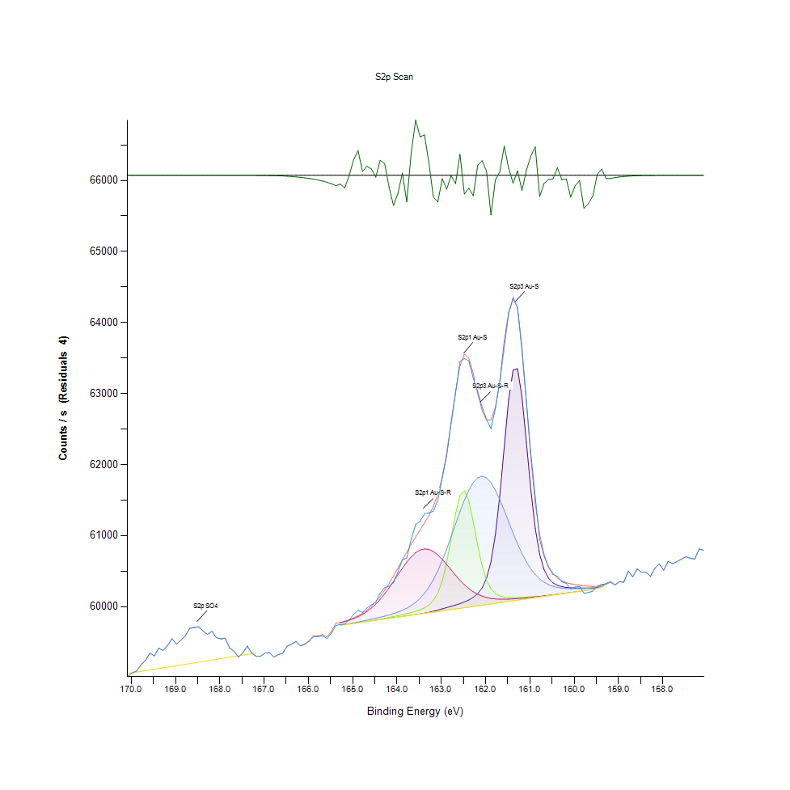
169.38 | 59413.6 | 0 | 0 | 0 | 0 | 59128.5 | 59413.6 | -5.08E-09 | 169.3 | 0.075029616954 |  |  |  |  | 0.021418229 | 0.075029616954 | -11.097350458
169.28 | 59383 | 0 | 0 | 0 | 0 | 59138.5 | 59383 | -1.55E-08 | 169.2 | 0.069275465879 |  |  |  |  | 0.023298670528 | 0.069275465879 | -11.097350458
169.18 | 59453.6 | 0 | 0 | 0 | 0 | 59148.5 | 59453.6 | -4.61E-08 | 169.1 | 0.082551383065 |  |  |  |  | 0.025179112056 | 0.082551383065 | -11.097350458
169.08 | 59549.2 | 0 | 0 | 0 | 0 | 59158.5 | 59549.2 | -1.33E-07 | 169 | 0.10052840407 |  |  |  |  | 0.027059553583 | 0.10052840407 | -11.097350458
168.98 | 59471.5 | 0 | 0 | 0 | 0 | 59168.5 | 59471.5 | -3.70E-07 | 168.9 | 0.085917373399 |  |  |  |  | 0.028939995111 | 0.085917373399 | -11.097350458
168.88 | 59528.2 | 0 | 0 | 0 | 0 | 59178.5 | 59528.2 | -1.00E-06 | 168.8 | 0.096579476861 |  |  |  |  | 0.030820436639 | 0.096579476861 | -11.097350458
168.78 | 59589.1 | 0 | 0 | 0 | 0 | 59188.4 | 59589.1 | -2.62E-06 | 168.7 | 0.10803136576 |  |  |  |  | 0.032682073751 | 0.10803136576 | -11.097350458
168.68 | 59694.7 | 0 | 0 | 0 | 0 | 59198.4 | 59694.7 | -6.67E-06 | 168.6 | 0.1278888283 |  |  |  |  | 0.034562515279 | 0.1278888283 | -11.097350459
168.58 | 59706 | 0 | 0 | 0 | 0 | 59208.4 | 59706 | -1.64E-05 | 168.5 | 0.13001372722 |  |  |  |  | 0.036442956806 | 0.13001372722 | -11.097350461
168.48 | 59716 | 0 | 0 | 0 | 0 | 59218.4 | 59716 | -3.93E-05 | 168.4 | 0.13189416875 |  |  |  |  | 0.038323398334 | 0.13189416875 | -11.097350465
168.38 | 59658.7 | 0 | 0 | 0 | 0 | 59228.4 | 59658.7 | -9.09E-05 | 168.3 | 0.1211192388 |  |  |  |  | 0.040203839862 | 0.1211192388 | -11.097350475
168.28 | 59608.3 | 0 | 0 | 0 | 0 | 59238.3 | 59608.3 | -0.000204282 | 168.2 | 0.1116418135 |  |  |  |  | 0.042065476974 | 0.1116418135 | -11.097350496
168.18 | 59652.9 | 0 | 0 | 0 | 0 | 59248.3 | 59652.9 | -0.000445117 | 168.1 | 0.12002858271 |  |  |  |  | 0.043945918502 | 0.12002858271 | -11.097350542
168.08 | 59564 | 0 | 0 | 0 | 0 | 59258.3 | 59564 | -0.000940833 | 168 | 0.10331145753 |  |  |  |  | 0.045826360029 | 0.10331145753 | -11.097350635
167.98 | 59545.8 | 0 | 0 | 0 | 0 | 59268.3 | 59545.8 | -0.00192934 | 167.9 | 0.09988905395 |  |  |  |  | 0.047706801557 | 0.09988905395 | -11.097350821
167.88 | 59556.1 | 0 | 0 | 0 | 0 | 59278.3 | 59556.1 | -0.00383914 | 167.8 | 0.10182590872 |  |  |  |  | 0.049587243085 | 0.10182590872 | -11.09735118
167.78 | 59420.1 | 0 | 0 | 0 | 0 | 59288.3 | 59420.1 | -0.0074143 | 167.7 | 0.076251903947 |  |  |  |  | 0.051467684612 | 0.076251903947 | -11.097351852
167.68 | 59373.4 | 0 | 0 | 0 | 0 | 59298.2 | 59373.4 | -0.0138997 | 167.6 | 0.067470242013 |  |  |  |  | 0.053329321725 | 0.067470242013 | -11.097353072
167.58 | 59289.4 | 0 | 0 | 0 | 0 | 59308.2 | 59289.4 | -0.0253014 | 167.5 | 0.05167453318 |  |  |  |  | 0.055209763252 | 0.05167453318 | -11.097355216
167.48 | 59349.9 | 0 | 0 | 0 | 0 | 59318.2 | 59349.9 | -0.0447301 | 167.4 | 0.063051204423 |  |  |  |  | 0.05709020478 | 0.063051204423 | -11.097358869
167.38 | 59444.2 | 0 | 0 | 0 | 0 | 59328.2 | 59444.3 | -0.076825 | 167.3 | 0.080783768029 |  |  |  |  | 0.058970646308 | 0.080802572444 | -11.097364904
167.28 | 59345.1 | 0 | 0 | 0 | 0 | 59338.2 | 59345.2 | -0.128233 | 167.2 | 0.06214859249 |  |  |  |  | 0.060851087835 | 0.062167396905 | -11.097374571
167.18 | 59301.6 | 0 | 0 | 0 | 0 | 59348.1 | 59301.8 | -0.208097 | 167.1 | 0.053968671844 |  |  |  |  | 0.062712724948 | 0.054006280675 | -11.097389589
167.08 | 59303.5 | 0 | 0 | 0 | 0 | 0 | 59303.8 | -0.328468 | 167 | 0.054325955734 |  |  |  |  |  | 0.05438236898 | -11.097412224
166.98 | 59346.3 | 0 | 0 | 0 | 0 | 0 | 59346.8 | -0.504554 | 166.9 | 0.062374245473 |  |  |  |  |  | 0.062468267549 | -11.097445336
166.88 | 59352.4 | 0 | 0 | 0 | 0 | 0 | 59353.2 | -0.754696 | 166.8 | 0.063521314805 |  |  |  |  |  | 0.063671750127 | -11.097492374
166.78 | 59288.6 | 0 | 0 | 0 | 0 | 0 | 59289.7 | -1.09999 | 166.7 | 0.051524097858 |  |  |  |  |  | 0.051730946426 | -11.097557305
166.68 | 59324.4 | 0 | 0 | 0 | 0 | 0 | 59326 | -1.56358 | 166.6 | 0.058256078527 |  |  |  |  |  | 0.058556949172 | -11.09764448
166.58 | 59344 | 0 | 0 | 0 | 0 | 0 | 59346.2 | -2.16957 | 166.5 | 0.061941743921 |  |  |  |  |  | 0.062355441058 | -11.097758433
166.48 | 59442.5 | 0 | 0 | 0 | 0 | 0 | 59445.5 | -2.94204 | 166.4 | 0.080464092969 |  |  |  |  |  | 0.081028225427 | -11.097903691
166.38 | 59470.4 | 0 | 0 | 0 | 0 | 0 | 59474.3 | -3.90405 | 166.3 | 0.085710524831 |  |  |  |  |  | 0.086443897027 | -11.098084592
166.28 | 59506.1 | 0 | 0 | 0 | 0 | 0 | 59511.2 | -5.07755 | 166.2 | 0.092423701085 |  |  |  |  |  | 0.093382726264 | -11.098305261
166.18 | 59446.3 | 0 | 0 | 0 | 0 | 0 | 59452.8 | -6.48422 | 166.1 | 0.08117866075 |  |  |  |  |  | 0.082400947743 | -11.098569778
166.08 | 59468.2 | 0 | 0 | 0 | 0 | 0 | 59476.4 | -8.14801 | 166 | 0.085296827695 |  |  |  |  |  | 0.086838789748 | -11.098882644
165.98 | 59515.8 | 0 | 0 | 0 | 0 | 0 | 59525.9 | -10.0995 | 165.9 | 0.094247729367 |  |  |  |  |  | 0.09614697531 | -11.09924961
165.88 | 59579.1 | 0 | 0 | 0 | 0 | 0 | 59591.5 | -12.3827 | 165.8 | 0.10615092424 |  |  |  |  |  | 0.10848267173 | -11.099678952
165.78 | 59575.9 | 0 | 0 | 0 | 0 | 0 | 59591 | -15.0641 | 165.7 | 0.10554918295 |  |  |  |  |  | 0.10838864965 | -11.100183174
165.68 | 59588.9 | 0 | 0 | 0 | 0 | 0 | 59607.1 | -18.2446 | 165.6 | 0.10799375693 |  |  |  |  |  | 0.11141616051 | -11.100781248
165.58 | 59551.6 | 0 | 0 | 0 | 0 | 0 | 59573.7 | -22.074 | 165.5 | 0.10097971004 |  |  |  |  |  | 0.10513548581 | -11.101501345
165.48 | 59626.9 | 0 | 0 | 0 | 0 | 0 | 59653.7 | -26.7698 | 165.4 | 0.11513943474 |  |  |  |  |  | 0.12017901803 | -11.102384362
165.38 | 59735.6 | 0 | 0 | 0 | 0 | 0 | 59768.2 | -32.6379 | 165.3 | 0.13557983415 |  |  |  |  |  | 0.14171007353 | -11.103487824
165.28 | 59748.8 | 59736.5 | 59736.5 | 59740.9 | 59772.3 | 59736.5 | 59776.6 | -27.854 | 165.2 | 0.13806201696 | 0.13574907388 | 0.13574907388 | 0.13657646815 | 0.14248105455 | 0.13574907388 | 0.14328964441 | -11.10258824
165.18 | 59754.6 | 59745.4 | 59745.4 | 59751.3 | 59789.3 | 59745.4 | 59795.1 | -40.4796 | 165.1 | 0.13915267305 | 0.13742266684 | 0.13742266684 | 0.13853212734 | 0.14567780515 | 0.13742266684 | 0.14676846123 | -11.10496241
165.08 | 59816.8 | 59754.3 | 59754.3 | 59762 | 59808.7 | 59754.3 | 59816.5 | 0.350077 | 165 | 0.15084901935 | 0.1390962598 | 0.1390962598 | 0.14054419978 | 0.14932586171 | 0.1390962598 | 0.1507926061 | -11.097284628
164.98 | 59890.9 | 59763.1 | 59763.2 | 59773.2 | 59831.5 | 59763.1 | 59841.6 | 49.2947 | 164.9 | 0.16478309107 | 0.14075104835 | 0.14076985276 | 0.14265029429 | 0.1536132684 | 0.14075104835 | 0.15551251434 | -11.088080878
164.88 | 59949.7 | 59772 | 59772.1 | 59784.8 | 59858.8 | 59772 | 59871.6 | 78.0777 | 164.8 | 0.17584008725 | 0.14242464131 | 0.14244344572 | 0.14483160646 | 0.15874687377 | 0.14242464131 | 0.16115383892 | -11.082668403
164.78 | 59919.7 | 59780.9 | 59781 | 59796.9 | 59891.7 | 59780.9 | 59907.8 | 11.8887 | 164.7 | 0.17019876267 | 0.14409823427 | 0.14411703868 | 0.14710694071 | 0.16493352639 | 0.14409823427 | 0.16796103725 | -11.095114857
164.68 | 59980.2 | 59789.8 | 59790.2 | 59809.4 | 59931.5 | 59789.8 | 59951.7 | 28.5029 | 164.6 | 0.18157543391 | 0.14577182723 | 0.14584704489 | 0.14945749262 | 0.17241768367 | 0.14577182723 | 0.17621617556 | -11.091990654
164.58 | 60025 | 59798.6 | 59799.8 | 59822.6 | 59979.5 | 59798.6 | 60004.6 | 20.3498 | 164.5 | 0.18999981196 | 0.14742661577 | 0.14765226875 | 0.15193967544 | 0.181443803 | 0.14742661577 | 0.18616371124 | -11.093523797
164.48 | 60062 | 59807.5 | 59810.2 | 59836.3 | 60036.6 | 59807.5 | 60068.1 | -6.13985 | 164.4 | 0.19695744561 | 0.14910020873 | 0.14960792794 | 0.15451588033 | 0.19218112413 | 0.14910020873 | 0.19810451494 | -11.098505021
164.38 | 60190.6 | 59816.4 | 59821.6 | 59850.8 | 60103.4 | 59816.4 | 60143.1 | 47.4551 | 164.3 | 0.22113992365 | 0.15077380169 | 0.15175163128 | 0.15724252054 | 0.20474247353 | 0.15077380169 | 0.2122078264 | -11.088426804
164.28 | 60266.4 | 59825.2 | 59833.9 | 59866.4 | 60179.7 | 59825.2 | 60229.6 | 36.8859 | 164.2 | 0.23539367043 | 0.15242859023 | 0.15406457436 | 0.16017600933 | 0.21909024239 | 0.15242859023 | 0.22847364561 | -11.09041428
164.18 | 60288.9 | 59834.1 | 59847 | 59883.2 | 60264.4 | 59834.1 | 60326.5 | -37.5173 | 164.1 | 0.23962466387 | 0.15410218319 | 0.15652795276 | 0.16333515109 | 0.23501758213 | 0.15410218319 | 0.24669512402 | -11.104405367
164.08 | 60336.4 | 59843 | 59860.3 | 59902 | 60355.4 | 59843 | 60431.7 | -95.357 | 164 | 0.24855676113 | 0.15577577615 | 0.15902894 | 0.16687038117 | 0.25212960003 | 0.15577577615 | 0.26647736889 | -11.115281784
163.98 | 60485 | 59851.8 | 59873.7 | 59923.4 | 60449.2 | 59851.8 | 60542.5 | -57.5598 | 163.9 | 0.27650012223 | 0.1574305647 | 0.16154873164 | 0.17089452603 | 0.26976814156 | 0.1574305647 | 0.28731266101 | -11.108174242
163.88 | 60662.9 | 59860.7 | 59887.2 | 59948.4 | 60541.5 | 59860.7 | 60655.8 | 7.09116 | 163.8 | 0.30995317701 | 0.15910415766 | 0.1640873277 | 0.17559562985 | 0.28712461686 | 0.15910415766 | 0.30861806352 | -11.096017007
163.78 | 60683.9 | 59869.6 | 59901.4 | 59978.4 | 60627.5 | 59869.6 | 60768.2 | -84.2836 | 163.7 | 0.31390210421 | 0.16077775062 | 0.16675755467 | 0.18123695444 | 0.303296414 | 0.16077775062 | 0.32975422629 | -11.113199496
163.68 | 60949 | 59878.6 | 59916.9 | 60015.2 | 60701.9 | 59878.4 | 60877.2 | 71.7505 | 163.6 | 0.36375260911 | 0.16247014799 | 0.16967223904 | 0.18815697926 | 0.31728689896 | 0.16243253916 | 0.35025103894 | -11.083858196
163.58 | 61155.6 | 59887.7 | 59934.5 | 60060.9 | 60759.9 | 59887.3 | 60981.1 | 174.487 | 163.5 | 0.40260253107 | 0.16418134978 | 0.17298181613 | 0.19675059704 | 0.32819345982 | 0.16410613212 | 0.36978882642 | -11.064539198
163.48 | 61202 | 59897.4 | 59955.9 | 60117.8 | 60797.8 | 59896.2 | 61080.3 | 121.654 | 163.4 | 0.41132777976 | 0.16600537806 | 0.177005961 | 0.20745030933 | 0.33532033321 | 0.16577972508 | 0.38844280637 | -11.074474135
163.38 | 61306.1 | 59908.2 | 59983.7 | 60188.5 | 60813.2 | 59905 | 61178.5 | 127.674 | 163.3 | 0.43090317607 | 0.16803625491 | 0.18223358845 | 0.22074503093 | 0.33821621317 | 0.16743451362 | 0.40690874217 | -11.073342109
163.28 | 61321.6 | 59920.6 | 60023.6 | 60275.6 | 60805.6 | 59913.9 | 61283.6 | 37.9562 | 163.2 | 0.43381786043 | 0.17036800241 | 0.18973655014 | 0.23712367664 | 0.33678707761 | 0.16910810658 | 0.42667218263 | -11.090213016
163.18 | 61341.8 | 59935 | 60086.5 | 60381 | 60776.3 | 59922.8 | 61410.4 | -68.6819 | 163.1 | 0.43761635232 | 0.17307583821 | 0.20156452735 | 0.25694353034 | 0.33127738393 | 0.17078169954 | 0.4505161812 | -11.110265688
163.08 | 61497.5 | 59951.3 | 60191.1 | 60505.7 | 60728.4 | 59931.6 | 61581.5 | -84.0422 | 163 | 0.46689482691 | 0.1761409579 | 0.22123394573 | 0.28039263619 | 0.32227006901 | 0.17243648809 | 0.48269053574 | -11.113154102
162.98 | 61814 | 59968.7 | 60362.4 | 60649.5 | 60666.1 | 59940.5 | 61825.1 | -11.1235 | 162.9 | 0.52641080126 | 0.17941292616 | 0.2534459091 | 0.30743338536 | 0.31055491829 | 0.17411008105 | 0.52849809135 | -11.099442167
162.88 | 62119 | 59986.6 | 60620 | 60810.1 | 60594.4 | 59949.4 | 62162.9 | -43.8526 | 162.8 | 0.58376426785 | 0.18277891649 | 0.30188608285 | 0.33763327629 | 0.29707215254 | 0.17578367401 | 0.59201940616 | -11.105596683
162.78 | 62584.2 | 60004.5 | 60953.9 | 60983 | 60518.6 | 59958.3 | 62585.2 | -1.00336 | 162.7 | 0.67124240772 | 0.18614490682 | 0.36467402546 | 0.37014611031 | 0.28281840576 | 0.17745726697 | 0.67143045187 | -11.097539134
162.68 | 63002.9 | 60023 | 61302.6 | 61161.8 | 60443.3 | 59967.1 | 63029.3 | -26.4086 | 162.6 | 0.74997649448 | 0.18962372365 | 0.43024502153 | 0.40376840482 | 0.26865868106 | 0.17911205551 | 0.75494086011 | -11.102316441
162.58 | 63453 | 60043 | 61561.5 | 61337.6 | 60372.4 | 59976 | 63386.6 | 66.4053 | 162.5 | 0.83461516764 | 0.19338460671 | 0.47892965268 | 0.43682656688 | 0.25532635063 | 0.18078564847 | 0.8221290359 | -11.08486333
162.48 | 63495.4 | 60066.1 | 61633.7 | 61500.7 | 60308.9 | 59984.9 | 63554.8 | -59.3395 | 162.4 | 0.84258823972 | 0.19772842663 | 0.49250644051 | 0.46749656819 | 0.24338554693 | 0.18245924143 | 0.85375806239 | -11.108508904
162.38 | 63460 | 60094.2 | 61492.4 | 61640.6 | 60254.4 | 59993.7 | 63500.4 | -40.4127 | 162.3 | 0.83593147671 | 0.20301246733 | 0.46593580173 | 0.49380394517 | 0.2331371406 | 0.18411402997 | 0.84352846048 | -11.10494983
162.28 | 63215.5 | 60131 | 61199.8 | 61747.8 | 60209.5 | 60002.6 | 63280.3 | -64.7918 | 162.2 | 0.78995468136 | 0.20993249215 | 0.41091408263 | 0.51396227834 | 0.22469395814 | 0.18578762293 | 0.80213994246 | -11.109534177
162.18 | 63032.7 | 60183 | 60864.1 | 61814.7 | 60174.2 | 60011.5 | 63001.6 | 31.1106 | 162.1 | 0.75558021023 | 0.21971078809 | 0.34778766054 | 0.52654243216 | 0.21805599955 | 0.18746121589 | 0.74973203708 | -11.091500291
162.08 | 62809.3 | 60264 | 60575.7 | 61836.6 | 60147.7 | 60020.3 | 62763 | 46.3057 | 162 | 0.71357114651 | 0.23494236447 | 0.29355572688 | 0.53066059911 | 0.2130728295 | 0.18911600444 | 0.70486470223 | -11.088642942
161.98 | 62639.3 | 60399.6 | 60373.1 | 61812.5 | 60128.8 | 60029.2 | 62626.4 | 12.8172 | 161.9 | 0.68160364053 | 0.26044115158 | 0.25545798153 | 0.52612873503 | 0.20951879501 | 0.1907895974 | 0.67917787096 | -11.094940258
161.88 | 62504.1 | 60631.7 | 60250.7 | 61745.1 | 60116.2 | 60038.1 | 62629.6 | -125.475 | 161.8 | 0.65618007108 | 0.30408619944 | 0.23244137724 | 0.51345455913 | 0.20714943869 | 0.19246319036 | 0.67977961225 | -11.120945298
161.78 | 62788.7 | 61011 | 60184.2 | 61640.3 | 60108.8 | 60046.9 | 62803.6 | -14.8809 | 161.7 | 0.70969743696 | 0.37541134658 | 0.21993644108 | 0.49374753192 | 0.20575791196 | 0.1941179789 | 0.71249929483 | -11.100148724
161.68 | 63172.5 | 61565.9 | 60150.5 | 61506.9 | 60105.3 | 60055.8 | 63161.1 | 11.3811 | 161.6 | 0.78186878279 | 0.47975704695 | 0.21359935313 | 0.46866244194 | 0.20509975742 | 0.19579157186 | 0.77972507945 | -11.095210309
161.58 | 63742.7 | 62250.7 | 60134.3 | 61354.7 | 60104.8 | 60064.7 | 63650.5 | 92.1642 | 161.5 | 0.8890915587 | 0.60852968277 | 0.21055303785 | 0.44004212189 | 0.20500573535 | 0.19746516482 | 0.87175388781 | -11.080019519
161.48 | 64142.7 | 62913 | 60127.4 | 61194.2 | 60106.4 | 60073.5 | 64120.4 | 22.2355 | 161.4 | 0.9643092198 | 0.73307132515 | 0.2092555332 | 0.40986103537 | 0.20530660599 | 0.19911995337 | 0.9601158352 | -11.093169202
161.38 | 64332.5 | 63334.6 | 60125.6 | 61034.7 | 60109.6 | 60082.4 | 64357.3 | -24.7581 | 161.3 | 1 | 0.81235073995 | 0.20891705372 | 0.379867993 | 0.20590834728 | 0.20079354632 | 1.004663495 | -11.102006074
161.28 | 64214.9 | 63349.6 | 60126.7 | 60884.2 | 60114 | 60091.3 | 64200.7 | 14.1618 | 161.2 | 0.97788600763 | 0.81517140225 | 0.20912390229 | 0.35156734801 | 0.20673574155 | 0.20246713928 | 0.97521578067 | -11.094687414
161.18 | 63604.2 | 62955.5 | 60129.6 | 60748.2 | 60119.2 | 60100.1 | 63652.2 | -47.971 | 161.1 | 0.86304744354 | 0.74106320164 | 0.20966923034 | 0.32599334324 | 0.20771357115 | 0.20412192783 | 0.87207356287 | -11.106371124
161.08 | 62892.1 | 62314.7 | 60133.5 | 60630.3 | 60125 | 60109 | 62876.4 | 15.6781 | 161 | 0.72914120235 | 0.62056450855 | 0.21040260253 | 0.30382293763 | 0.20880422723 | 0.20579552079 | 0.72618890916 | -11.094402283
160.98 | 62153.9 | 61645.7 | 60137.8 | 60531.8 | 60131.2 | 60117.9 | 62092.8 | 61.0609 | 160.9 | 0.59032700878 | 0.49476297035 | 0.21121119239 | 0.28530058858 | 0.20997010098 | 0.20746911375 | 0.57883751105 | -11.085868313
160.88 | 61545.8 | 61103.8 | 60142.2 | 60452.3 | 60137.8 | 60126.8 | 61455.8 | 89.9937 | 160.8 | 0.47597735948 | 0.39286184396 | 0.21203858666 | 0.27035107843 | 0.21121119239 | 0.20914270671 | 0.45905338573 | -11.080427669
160.78 | 60945.3 | 60737.4 | 60146.7 | 60390.4 | 60144.6 | 60135.6 | 61012.2 | -66.9462 | 160.7 | 0.36305684575 | 0.32396246639 | 0.21288478535 | 0.25871114538 | 0.21248989263 | 0.21079749525 | 0.37563699957 | -11.109939299
160.68 | 60707.8 | 60519.6 | 60151.6 | 60343.7 | 60151.8 | 60144.5 | 60733.2 | -25.3487 | 160.6 | 0.31839635947 | 0.28300644991 | 0.2138062017 | 0.24992948344 | 0.21384381053 | 0.21247108821 | 0.32317268095 | -11.102117133
160.58 | 60552.7 | 60399.6 | 60157.4 | 60309.7 | 60159.1 | 60153.4 | 60565.8 | -13.1107 | 160.5 | 0.28923071137 | 0.26044115158 | 0.21489685778 | 0.24353598225 | 0.21521653284 | 0.21414468117 | 0.29169408977 | -11.099815848
160.48 | 60453.6 | 60335.3 | 60164.2 | 60285.9 | 60166.7 | 60162.2 | 60465.5 | -11.9457 | 160.4 | 0.27059553583 | 0.24834991256 | 0.21617555802 | 0.23906053141 | 0.2166456684 | 0.21579946972 | 0.27283326125 | -11.099596777
160.38 | 60427.2 | 60300.4 | 60171.9 | 60270.1 | 60174.5 | 60171.1 | 60403.6 | 23.5801 | 160.3 | 0.2656311702 | 0.24178717163 | 0.217623498 | 0.2360894338 | 0.21811241279 | 0.21747306268 | 0.26119332819 | -11.092916358
160.28 | 60349.8 | 60281.1 | 60180.3 | 60260.1 | 60182.5 | 60180 | 60364.1 | -14.3267 | 160.2 | 0.25107655277 | 0.23815791948 | 0.21920306888 | 0.23420899227 | 0.21961676602 | 0.21914665563 | 0.25376558416 | -11.10004451
160.18 | 60326.7 | 60270.5 | 60188.9 | 60254.6 | 60190.7 | 60188.8 | 60338.2 | -11.561 | 160.1 | 0.24673273285 | 0.23616465146 | 0.22082024859 | 0.23317474943 | 0.22115872807 | 0.22080144418 | 0.2488952406 | -11.099524436
160.08 | 60252 | 60265.1 | 60197.7 | 60252.2 | 60199 | 60197.7 | 60320.9 | -68.9551 | 160 | 0.23268583463 | 0.23514921304 | 0.22247503714 | 0.23272344346 | 0.22271949454 | 0.22247503714 | 0.24564207676 | -11.110317061
159.98 | 60276.3 | 60262.7 | 60206.6 | 60252 | 60207.5 | 60206.6 | 60309.1 | -32.8522 | 159.9 | 0.23725530755 | 0.23469790707 | 0.2241486301 | 0.23268583463 | 0.22431786984 | 0.2241486301 | 0.24342315576 | -11.103528122
159.88 | 60283.4 | 60261.9 | 60215.4 | 60253.5 | 60216.1 | 60215.4 | 60300.7 | -17.2382 | 159.8 | 0.23859042103 | 0.23454747175 | 0.22580341864 | 0.23296790086 | 0.22593504955 | 0.22580341864 | 0.24184358487 | -11.100592001
159.78 | 60189.9 | 60261.7 | 60224.3 | 60256.2 | 60224.7 | 60224.3 | 60294.1 | -104.207 | 159.7 | 0.22100829275 | 0.23450986292 | 0.2274770116 | 0.23347562008 | 0.22755222926 | 0.2274770116 | 0.24060249347 | -11.116945975
159.68 | 60198.8 | 60261.6 | 60233.2 | 60259.8 | 60233.4 | 60233.2 | 60288.5 | -89.7108 | 159.6 | 0.22268188571 | 0.2344910585 | 0.22915060456 | 0.23415257903 | 0.22918821339 | 0.22915060456 | 0.23954944621 | -11.114220049
159.58 | 60218.5 | 60261.9 | 60242 | 60264.1 | 60242.2 | 60242 | 60284.1 | -65.6024 | 159.5 | 0.22638635552 | 0.23454747175 | 0.23080539311 | 0.23496116888 | 0.23084300194 | 0.23080539311 | 0.23872205194 | -11.109686606
159.48 | 60288.4 | 60267.5 | 60255.1 | 60273.1 | 60255.2 | 60255.1 | 60285.6 | 2.80013 | 159.4 | 0.23953064179 | 0.235600519 | 0.23326877151 | 0.23665356626 | 0.23328757592 | 0.23326877151 | 0.23900411817 | -11.09682391
159.38 | 60314.6 | 60280.6 | 60273.8 | 60288.4 | 60273.9 | 60273.8 | 60295.2 | 19.3611 | 159.3 | 0.2444573986 | 0.2380638974 | 0.23678519716 | 0.23953064179 | 0.23680400158 | 0.23678519716 | 0.24080934203 | -11.093709716
159.28 | 60318.2 | 60316.9 | 60313.7 | 60325.2 | 60313.7 | 60313.7 | 60328.4 | -10.1922 | 159.2 | 0.24513435755 | 0.24488990015 | 0.24428815886 | 0.24645066662 | 0.24428815886 | 0.24428815886 | 0.24705240791 | -11.099267042
159.18 | 60344 | 0 | 0 | 0 | 0 | 0 | 60354.3 | -10.2937 | 159.1 | 0.24998589669 |  |  |  |  |  | 0.25192275146 | -11.099286128
159.08 | 60303.1 | 0 | 0 | 0 | 0 | 0 | 60310.4 | -7.31798 | 159 | 0.24229489084 |  |  |  |  |  | 0.24366761316 | -11.098726561
158.98 | 60349 | 0 | 0 | 0 | 0 | 0 | 60354.3 | -5.27204 | 158.9 | 0.25092611745 |  |  |  |  |  | 0.25192275146 | -11.098341834
158.88 | 60342.1 | 0 | 0 | 0 | 0 | 0 | 60345.9 | -3.79384 | 158.8 | 0.2496286128 |  |  |  |  |  | 0.25034318058 | -11.098063867
158.78 | 60499.6 | 0 | 0 | 0 | 0 | 0 | 60502.3 | -2.69329 | 158.7 | 0.27924556686 |  |  |  |  |  | 0.27975328607 | -11.097856915
158.68 | 60417.1 | 0 | 0 | 0 | 0 | 0 | 60419 | -1.87243 | 158.6 | 0.26373192426 |  |  |  |  |  | 0.26408920815 | -11.097702557
158.58 | 60530.7 | 0 | 0 | 0 | 0 | 0 | 60532 | -1.27036 | 158.5 | 0.28509374001 |  |  |  |  |  | 0.28533819741 | -11.097589342
158.48 | 60485.2 | 0 | 0 | 0 | 0 | 0 | 60486 | -0.839743 | 158.4 | 0.27653773106 |  |  |  |  |  | 0.27668816638 | -11.097508367
158.38 | 60487.1 | 0 | 0 | 0 | 0 | 0 | 60487.7 | -0.540373 | 158.3 | 0.27689501495 |  |  |  |  |  | 0.27700784144 | -11.097452072
158.28 | 60424.5 | 0 | 0 | 0 | 0 | 0 | 60424.8 | -0.338306 | 158.2 | 0.26512345099 |  |  |  |  |  | 0.26517986423 | -11.097414074
158.18 | 60540.9 | 0 | 0 | 0 | 0 | 0 | 60541.1 | -0.205961 | 158.1 | 0.28701179037 |  |  |  |  |  | 0.2870493992 | -11.097389188
158.08 | 60600.9 | 0 | 0 | 0 | 0 | 0 | 60601 | -0.121881 | 158 | 0.29829443953 |  |  |  |  |  | 0.29831324395 | -11.097373377
157.98 | 60512.8 | 0 | 0 | 0 | 0 | 0 | 60512.9 | -0.070083 | 157.9 | 0.28172774968 |  |  |  |  |  | 0.28174655409 | -11.097363637
157.88 | 60637.2 | 0 | 0 | 0 | 0 | 0 | 60637.2 | -0.0391446 | 157.8 | 0.30512044228 |  |  |  |  |  | 0.30512044228 | -11.097357819
157.78 | 60605.9 | 0 | 0 | 0 | 0 | 0 | 60605.9 | -0.0212321 | 157.7 | 0.2992346603 |  |  |  |  |  | 0.2992346603 | -11.09735445
157.68 | 60633.9 | 0 | 0 | 0 | 0 | 0 | 60633.9 | -0.0111806 | 157.6 | 0.30449989658 |  |  |  |  |  | 0.30449989658 | -11.09735256
157.58 | 60669 | 0 | 0 | 0 | 0 | 0 | 60669 | -0.00571478 | 157.5 | 0.31110024634 |  |  |  |  |  | 0.31110024634 | -11.097351533
157.48 | 60702.7 | 0 | 0 | 0 | 0 | 0 | 60702.7 | -0.00283469 | 157.4 | 0.31743733429 |  |  |  |  |  | 0.31743733429 | -11.097350991
157.38 | 60682 | 0 | 0 | 0 | 0 | 0 | 60682 | -0.00136429 | 157.3 | 0.31354482032 |  |  |  |  |  | 0.31354482032 | -11.097350714
157.28 | 60670.7 | 0 | 0 | 0 | 0 | 0 | 60670.7 | -0.000637 | 157.2 | 0.3114199214 |  |  |  |  |  | 0.3114199214 | -11.097350578
157.18 | 60812 | 0 | 0 | 0 | 0 | 0 | 60812 | -0.000288495 | 157.1 | 0.33799056018 |  |  |  |  |  | 0.33799056018 | -11.097350512
157.08 | 60794.5 | 0 | 0 | 0 | 0 | 0 | 60794.5 | -0.000126721 | 157 | 0.33469978751 |  |  |  |  |  | 0.33469978751 | -11.097350482

O1s Scan
Normalisation | Self |  |  | Acquisition Parameters :
Baseline Subtraction | Performed
Maximum Intensity | 92947.6 |  |  | Parameter
Minimum Intensity | 75822 |  |  | Total acquisition time | 18.2 secs
Calibration | C1s C-C |  |  | Number of Scans | 3
Binding Energy | 284.88 |  |  | Number of Energy Steps | 121

Unprocessed Data |  |  |  |  |  |  |  | Processed Data

Binding Energy | Raw Data | O1s C=O | O1s H-O-C, SO4, NOx | O1s O-C=O, O-H | Backgnd. | Envelope | Residuals | Binding Energy (calibrated) | Raw Data (Normalised) | O1s C=O (Normalised) | O1s H-O-C, SO4, NOx (Normalised) | O1s O-C=O, O-H (Normalised) | Backgnd. (Normalised) | Envelope (Normalised) | Residuals (Normalised)
eV | Counts / s | Counts / s | Counts / s | Counts / s | Counts / s | Counts / s | Counts / s (Residuals 8) | eV | Counts / s | Counts / s | Counts / s | Counts / s | Counts / s | Counts / s | Counts / s (Residuals 8)
537.08 | 79229.9 | 0 | 0 | 0 | 0 | 79234.6 | -4.7502 | 537 | 0.19899448778 |  |  |  |  | 0.19926893072 | -4.4276842972
536.98 | 79059.4 | 0 | 0 | 0 | 0 | 79066.6 | -7.19007 | 536.9 | 0.18903863222 |  |  |  |  | 0.18945905545 | -4.4278267664
536.88 | 79116.4 | 0 | 0 | 0 | 0 | 79126.9 | -10.5946 | 536.8 | 0.19236698276 |  |  |  |  | 0.19298009997 | -4.4280255641
536.78 | 79180.5 | 0 | 0 | 0 | 0 | 79195.7 | -15.2101 | 536.7 | 0.19610991732 |  |  |  |  | 0.19699747746 | -4.4282950729
536.68 | 79067.8 | 0 | 0 | 0 | 0 | 79089.1 | -21.2966 | 536.6 | 0.18952912599 |  |  |  |  | 0.19077287803 | -4.4286504765
536.58 | 79190 | 0 | 0 | 0 | 0 | 79219.1 | -29.1161 | 536.5 | 0.19666464241 |  |  |  |  | 0.19836385295 | -4.4291070736
536.48 | 78800.9 | 0 | 0 | 0 | 0 | 78839.8 | -38.9225 | 536.4 | 0.17394427057 |  |  |  |  | 0.17621572383 | -4.4296796901
536.38 | 78729 | 0 | 0 | 0 | 0 | 78780 | -50.9591 | 536.3 | 0.16974587752 |  |  |  |  | 0.17272387537 | -4.4303825326
536.28 | 78765.7 | 0 | 0 | 0 | 0 | 78831.2 | -65.4685 | 536.2 | 0.17188886813 |  |  |  |  | 0.17571355164 | -4.4312297671
536.18 | 78529 | 0 | 0 | 0 | 0 | 78611.8 | -82.72 | 536.1 | 0.15806745457 |  |  |  |  | 0.16290232167 | -4.4322371187
536.08 | 78681.1 | 78697.7 | 78699.8 | 78798.6 | 78697.7 | 78800.7 | -119.67 | 536 | 0.16694889522 | 0.16791820433 | 0.16804082777 | 0.1738099687 | 0.16791820433 | 0.17393259214 | -4.4343947073
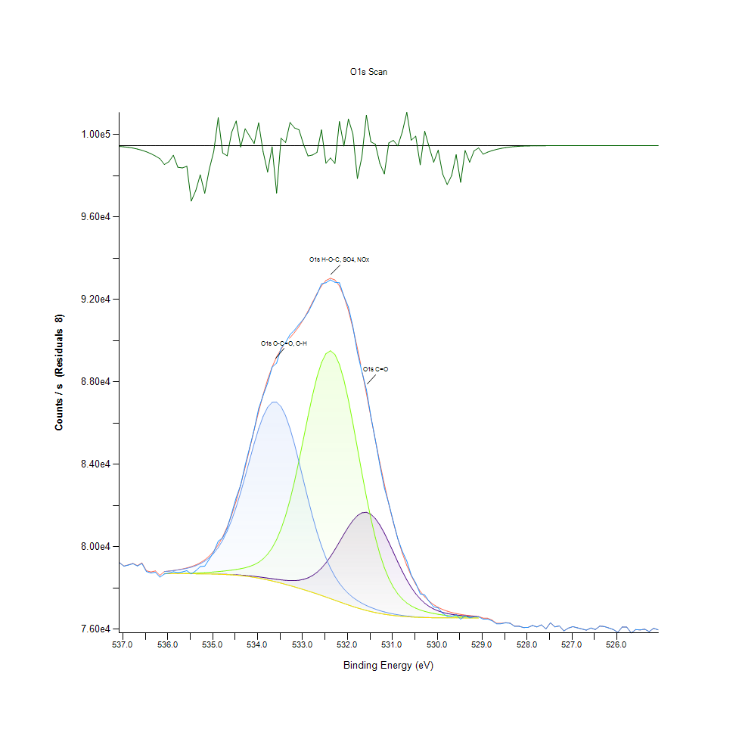
535.98 | 78722.1 | 78696.9 | 78700.3 | 78820.4 | 78696.9 | 78823.9 | -101.706 | 535.9 | 0.16934297193 | 0.16787149063 | 0.16807002382 | 0.1750829168 | 0.16787149063 | 0.1752872892 | -4.4333457514
535.88 | 78790.5 | 78696 | 78701.5 | 78845.8 | 78696 | 78851.3 | -60.8291 | 535.8 | 0.17333699257 | 0.16781893773 | 0.16814009436 | 0.17656607652 | 0.16781893773 | 0.17688723315 | -4.4309588628
535.78 | 78747.2 | 78695.1 | 78703.4 | 78875.8 | 78695.1 | 78884.2 | -136.991 | 535.7 | 0.170808614 | 0.16776638483 | 0.16825103938 | 0.17831783996 | 0.16776638483 | 0.17880833372 | -4.4354061172
535.68 | 78783 | 78694.1 | 78706.4 | 78911.7 | 78694 | 78924.2 | -141.268 | 535.6 | 0.17289905171 | 0.16770799271 | 0.16842621572 | 0.18041411688 | 0.1677021535 | 0.18114401831 | -4.4356558602
535.58 | 78843.2 | 78693 | 78710.9 | 78956 | 78692.9 | 78974.2 | -131.013 | 535.5 | 0.17641425702 | 0.16764376139 | 0.16868898024 | 0.18300088756 | 0.16763792217 | 0.18406362405 | -4.4350570491
535.48 | 78686.4 | 78692 | 78717.2 | 79011.9 | 78691.7 | 79037.7 | -351.359 | 535.4 | 0.16725837343 | 0.16758536927 | 0.16905685056 | 0.18626500677 | 0.16756785164 | 0.18777152333 | -4.447923518
535.38 | 78834.3 | 78690.8 | 78725.4 | 79083.8 | 78690.3 | 79119.5 | -285.254 | 535.3 | 0.1758945672 | 0.16751529873 | 0.1695356659 | 0.19046339982 | 0.16748610268 | 0.19254799832 | -4.4440635073
535.28 | 79041.4 | 78689.4 | 78735.9 | 79178.1 | 78688.5 | 79226.4 | -184.985 | 535.2 | 0.18798757416 | 0.16743354977 | 0.17014878311 | 0.19596977624 | 0.16738099687 | 0.19879011538 | -4.4382085883
535.18 | 79064.4 | 78687.5 | 78748.6 | 79302.7 | 78686.2 | 79366.5 | -302.09 | 535.1 | 0.1893305928 | 0.16732260476 | 0.17089036297 | 0.20324543374 | 0.16724669501 | 0.20697085066 | -4.4450465969
535.08 | 79398.5 | 78684.9 | 78763.3 | 79467.2 | 78682.7 | 79549.9 | -151.485 | 535 | 0.20883939833 | 0.16717078526 | 0.17174872705 | 0.21285093661 | 0.1670423226 | 0.2176799645 | -4.4362524525
534.98 | 79751.2 | 78681.1 | 78779.9 | 79683 | 78677.8 | 79788.5 | -37.3369 | 534.9 | 0.22943429719 | 0.16694889522 | 0.17271803616 | 0.22545195497 | 0.16675620124 | 0.23161232307 | -4.4295871035
534.88 | 80273 | 78676.3 | 78798.7 | 79963.3 | 78671.3 | 80095.5 | 177.487 | 534.8 | 0.25990330266 | 0.16666861307 | 0.17381580791 | 0.24181926473 | 0.1663766525 | 0.24953870229 | -4.4170430817
534.78 | 80437.2 | 78670.2 | 78819.6 | 80320.1 | 78663 | 80483.9 | -46.6661 | 534.7 | 0.2694912879 | 0.16631242117 | 0.17503620311 | 0.26265357126 | 0.16589199794 | 0.27221819965 | -4.4301318552
534.68 | 80900.5 | 78662.5 | 78842.9 | 80764 | 78652.4 | 80964.7 | -64.2545 | 534.6 | 0.29654435465 | 0.16586280189 | 0.17639673938 | 0.28857383099 | 0.16527304153 | 0.30029312842 | -4.4311588791
534.58 | 81630.5 | 78653 | 78869.3 | 81301 | 78639 | 81545.3 | 85.247 | 534.5 | 0.3391705984 | 0.1653080768 | 0.17793829121 | 0.3199303966 | 0.16449058719 | 0.33419559023 | -4.4224291704
534.48 | 82383.5 | 78641.6 | 78900.2 | 81930.7 | 78622.8 | 82227 | 156.481 | 534.4 | 0.38313986079 | 0.16464240669 | 0.17974260756 | 0.35669991124 | 0.16354463493 | 0.37400149484 | -4.4182696665
534.38 | 82993.6 | 78627.7 | 78937.6 | 82642.5 | 78602.9 | 83002 | -8.36447 | 534.3 | 0.41876488999 | 0.16383075629 | 0.18192647265 | 0.39826341851 | 0.16238263185 | 0.41925538375 | -4.4278953421
534.28 | 83960.3 | 78610.9 | 78984.8 | 83415.2 | 78578.9 | 83853.2 | 107.129 | 534.2 | 0.4752125473 | 0.16284976877 | 0.18468258046 | 0.44338300556 | 0.1609812211 | 0.46895875181 | -4.4211514341
534.18 | 84813.9 | 78591.2 | 79047.3 | 84216.4 | 78550.6 | 84753.7 | 60.253 | 534.1 | 0.52505605643 | 0.16169944411 | 0.18833208763 | 0.49016676788 | 0.15932872425 | 0.52154085112 | -4.4238886229
534.08 | 85681.9 | 78568.4 | 79132.6 | 85003 | 78517.8 | 85668.3 | 13.5452 | 534 | 0.57574041201 | 0.16036810389 | 0.19331293502 | 0.53609800533 | 0.15741346289 | 0.57494627925 | -4.4266159901
533.98 | 86701.6 | 78542.6 | 79250.8 | 85725 | 78480.4 | 86557.5 | 144.115 | 533.9 | 0.6352828514 | 0.15886158733 | 0.20021488298 | 0.57825711216 | 0.1552295978 | 0.62686854767 | -4.4189917434
533.88 | 87343.9 | 78514.5 | 79415 | 86330.4 | 78438.8 | 87382.3 | -38.3693 | 533.8 | 0.67278810669 | 0.15722076891 | 0.20980286822 | 0.61360769842 | 0.15280048582 | 0.6750303639 | -4.4296473875
533.78 | 87943.2 | 78484.4 | 79640.9 | 86770.7 | 78393 | 88110 | -166.824 | 533.7 | 0.70778250105 | 0.15546316625 | 0.22299364694 | 0.63931774653 | 0.15012612697 | 0.71752230579 | -4.4371481291
533.68 | 88713.3 | 78453.8 | 79946.4 | 87007.6 | 78343.7 | 88720.5 | -7.19304 | 533.6 | 0.7527502686 | 0.15367636754 | 0.24083243799 | 0.65315083851 | 0.14724739571 | 0.75317069183 | -4.4278269398
533.58 | 88908.7 | 78424 | 80349.7 | 87017.8 | 78291.1 | 89209.3 | -300.617 | 533.5 | 0.76416008782 | 0.15193628252 | 0.26438197786 | 0.65374643808 | 0.14417597048 | 0.78171275751 | -4.4449605853
533.48 | 89636.6 | 78396.9 | 80867.5 | 86796.2 | 78235.7 | 89589.3 | 47.3552 | 533.4 | 0.80666370813 | 0.15035385622 | 0.29461741486 | 0.64080674546 | 0.14094104732 | 0.80390176111 | -4.4246417527
533.38 | 89908.8 | 78374.9 | 81511.9 | 86357.1 | 78177.6 | 89888.7 | 20.1033 | 533.3 | 0.82255804176 | 0.14906922969 | 0.3322452936 | 0.61516676788 | 0.13754846546 | 0.82138436026 | -4.4262330488
533.28 | 90293.5 | 78361.6 | 82287.3 | 85732.1 | 78117.4 | 90146.2 | 147.302 | 533.2 | 0.8450214883 | 0.14829261457 | 0.37752253936 | 0.57867169617 | 0.13403326015 | 0.8364203298 | -4.4188056477
533.18 | 90514.8 | 78361.1 | 83185.9 | 84965.2 | 78055 | 90402.2 | 112.689 | 533.1 | 0.85794366329 | 0.14826341851 | 0.42999369365 | 0.53389078339 | 0.13038959219 | 0.85136871117 | -4.420826774
533.08 | 90792 | 78378.8 | 84186.2 | 84107.9 | 77990.9 | 90691.2 | 100.826 | 533 | 0.87412995749 | 0.14929695894 | 0.48840332601 | 0.48383122343 | 0.12664665764 | 0.86824403233 | -4.4215194796
532.98 | 91042 | 78420.9 | 85250.2 | 83212.2 | 77925 | 91033.4 | 8.61727 | 532.9 | 0.88872798617 | 0.15175526697 | 0.55053253609 | 0.43152940627 | 0.12279861727 | 0.88822581399 | -4.4269037424
532.88 | 91364.5 | 78494.1 | 86324.6 | 82325.1 | 77857.2 | 91429.5 | -64.9166 | 532.8 | 0.90755944317 | 0.15602956977 | 0.61326902415 | 0.37972976129 | 0.1188396319 | 0.91135493063 | -4.4311975405
532.78 | 91799.9 | 78605.4 | 87343.6 | 81484.8 | 77787.3 | 91859.2 | -59.2812 | 532.7 | 0.93298336993 | 0.16252861214 | 0.67277058906 | 0.33066286729 | 0.11475802308 | 0.93644602233 | -4.4308684776
532.68 | 92241.6 | 78761 | 88235.6 | 80718 | 77715.2 | 92284.3 | -42.6509 | 532.6 | 0.958775167 | 0.17161442519 | 0.7248563554 | 0.28588779371 | 0.1105479516 | 0.9612685103 | -4.4298973992
532.58 | 92755.1 | 78965.6 | 88930.4 | 80040.7 | 77640.8 | 92655 | 100.113 | 532.5 | 0.98875951791 | 0.18356145186 | 0.76542719671 | 0.24633881441 | 0.10620357827 | 0.98291446723 | -4.4215611132
532.48 | 92806.6 | 79221.1 | 89368.2 | 79458 | 77564.6 | 92918.1 | -111.464 | 532.4 | 0.99176671182 | 0.19848063717 | 0.79099126454 | 0.21231372915 | 0.10175409913 | 0.99827743262 | -4.4339155416
532.38 | 92947.6 | 79524.7 | 89507.4 | 78967.5 | 77486.9 | 93025.8 | -78.1862 | 532.3 | 1 | 0.21620848321 | 0.79911944691 | 0.18367239688 | 0.097217031812 | 1.0045662634 | -4.4319723805
...

N1s Scan
...
Binding Energy | Raw Data | N1s NC-R2 | N1s NH-R2(+) | Backgnd. | Envelope | Residuals | Binding Energy (calibrated) | Raw Data (Normalised) | N1s NC-R2 (Normalised) | N1s NH-R2(+) (Normalised) | Backgnd. (Normalised) | Envelope (Normalised)
405.98 | 95798.9 | 0 | 0 | 0 | 95799.2 | -0.274296 | 405.9 | 0.01703290636 |  |  |  | 0.017115724382
405.88 | 95792.9 | 0 | 0 | 0 | 95793.4 | -0.440723 | 405.8 | 0.015376545936 |  |  |  | 0.015514575972
405.78 | 95843.7 | 0 | 0 | 0 | 95844.4 | -0.688514 | 405.7 | 0.029400397527 |  |  |  | 0.029593639576
405.68 | 95871 | 0 | 0 | 0 | 95872 | -1.0464 | 405.6 | 0.036936837456 |  |  |  | 0.037212897527
405.58 | 95890.6 | 0 | 0 | 0 | 95892.2 | -1.54807 | 405.5 | 0.042347614841 |  |  |  | 0.042789310954
405.48 | 95890.8 | 0 | 0 | 0 | 95893 | -2.23103 | 405.4 | 0.042402826855 |  |  |  | 0.043010159011
405.38 | 95933.2 | 0 | 0 | 0 | 95936.3 | -3.13475 | 405.3 | 0.054107773852 |  |  |  | 0.054963560071
405.28 | 96123.7 | 0 | 0 | 0 | 96128 | -4.29836 | 405.2 | 0.10669721731 |  |  |  | 0.10788427562
405.18 | 96150.7 | 96083.9 | 96089.6 | 96083.9 | 96089.6 | 61.0426 | 405.1 | 0.11415083922 | 0.095710026502 | 0.097283568905 | 0.095710026502 | 0.097283568905
405.08 | 96176.4 | 96114 | 96121.6 | 96114 | 96121.6 | 54.865 | 405 | 0.12124558304 | 0.10401943463 | 0.10611749117 | 0.10401943463 | 0.10611749117
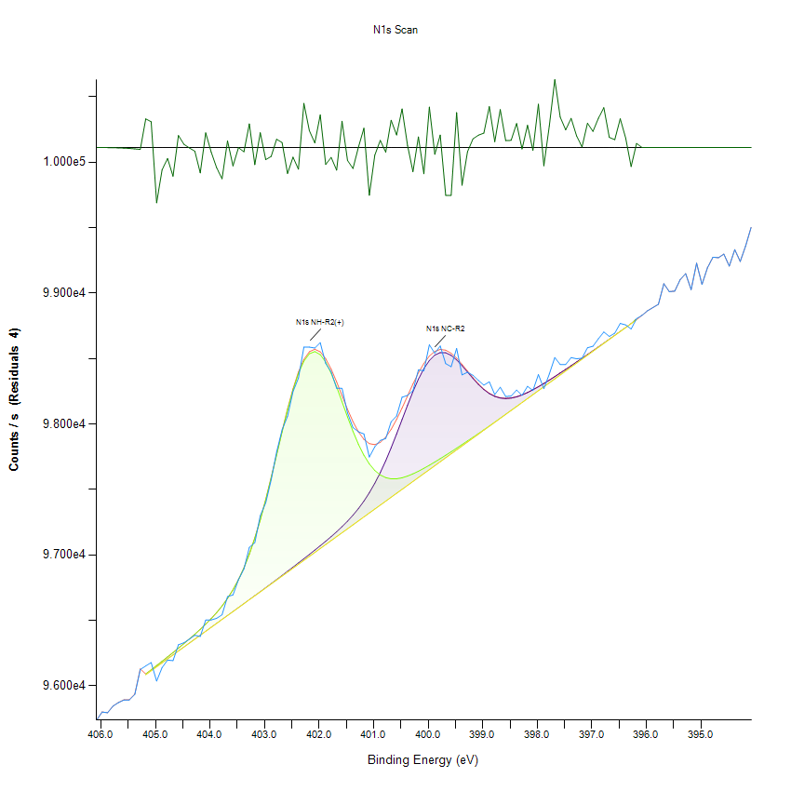
404.98 | 96035.4 | 96144.1 | 96153.8 | 96144.1 | 96153.8 | -118.428 | 404.9 | 0.082321113074 | 0.11232884276 | 0.11500662544 | 0.11232884276 | 0.11500662544
404.88 | 96138.5 | 96174.3 | 96186.5 | 96174.3 | 96186.5 | -47.9367 | 404.8 | 0.11078290636 | 0.12066585689 | 0.12403378975 | 0.12066585689 | 0.12403378975
404.78 | 96195.8 | 96204.4 | 96219.5 | 96204.4 | 96219.5 | -23.7347 | 404.7 | 0.12660114841 | 0.12897526502 | 0.13314377208 | 0.12897526502 | 0.13314377208
404.68 | 96191.4 | 96234.5 | 96253 | 96234.5 | 96253 | -61.6011 | 404.6 | 0.1253864841 | 0.13728467314 | 0.14239178445 | 0.13728467314 | 0.14239178445
404.58 | 96312.4 | 96264.7 | 96287 | 96264.7 | 96287 | 25.431 | 404.5 | 0.15878975265 | 0.14562168728 | 0.15177782686 | 0.14562168728 | 0.15177782686
404.48 | 96328.3 | 96294.8 | 96321.6 | 96294.8 | 96321.6 | 6.76905 | 404.4 | 0.16317910777 | 0.15393109541 | 0.1613295053 | 0.15393109541 | 0.1613295053
404.38 | 96355.7 | 96324.9 | 96356.9 | 96324.9 | 96356.9 | -1.11965 | 404.3 | 0.17074315371 | 0.16224050353 | 0.1710744258 | 0.16224050353 | 0.1710744258
404.28 | 96385 | 96355.1 | 96393.1 | 96355.1 | 96393.1 | -8.12855 | 404.2 | 0.17883171378 | 0.17057751767 | 0.18106780035 | 0.17057751767 | 0.18106780035
404.18 | 96376.2 | 96385.2 | 96430.7 | 96385.2 | 96430.8 | -54.5569 | 404.1 | 0.17640238516 | 0.1788869258 | 0.19144765901 | 0.1788869258 | 0.19147526502
404.08 | 96501.5 | 96415.3 | 96470.2 | 96415.3 | 96470.3 | 31.2229 | 404 | 0.21099271201 | 0.18719633392 | 0.2023520318 | 0.18719633392 | 0.20237963781
403.98 | 96502.5 | 96445.5 | 96512.4 | 96445.5 | 96512.4 | -9.90109 | 403.9 | 0.21126877208 | 0.19553334806 | 0.21400176678 | 0.19553334806 | 0.21400176678
403.88 | 96514.6 | 96475.6 | 96558.2 | 96475.6 | 96558.3 | -43.6233 | 403.8 | 0.21460909894 | 0.20384275618 | 0.22664531802 | 0.20384275618 | 0.22667292403
403.78 | 96542.1 | 96505.8 | 96609 | 96505.7 | 96609.1 | -67.0659 | 403.7 | 0.22220075088 | 0.21217977032 | 0.24066916961 | 0.21215216431 | 0.24069677562
403.68 | 96680.7 | 96536 | 96666.6 | 96535.8 | 96666.7 | 13.9828 | 403.6 | 0.26046267668 | 0.22051678445 | 0.25657022968 | 0.22046157244 | 0.25659783569
403.58 | 96693.5 | 96566.2 | 96732.8 | 96566 | 96733 | -39.5555 | 403.5 | 0.26399624558 | 0.22885379859 | 0.27484540636 | 0.22879858657 | 0.27490061837
403.48 | 96809.7 | 96596.5 | 96809.9 | 96596.1 | 96810.3 | -0.528759 | 403.4 | 0.2960744258 | 0.23721841873 | 0.29612963781 | 0.2371079947 | 0.29624006184
403.38 | 96891.3 | 96626.8 | 96900.1 | 96626.2 | 96900.7 | -9.39403 | 403.3 | 0.31860092756 | 0.24558303887 | 0.32103025618 | 0.24541740283 | 0.32119589223
403.28 | 97056.7 | 96657.3 | 97005.5 | 96656.4 | 97006.4 | 50.3509 | 403.2 | 0.36426126325 | 0.25400287102 | 0.35012698763 | 0.25375441696 | 0.3503754417
403.18 | 97091.8 | 96687.8 | 97127.4 | 96686.5 | 97128.6 | -36.8652 | 403.1 | 0.37395097173 | 0.26242270318 | 0.38377871025 | 0.26206382509 | 0.38410998233
403.08 | 97299.3 | 96718.4 | 97266.1 | 96716.6 | 97267.9 | 31.4194 | 403 | 0.4312334364 | 0.27087014134 | 0.42206824205 | 0.27037323322 | 0.42256515018
402.98 | 97396.8 | 96749.2 | 97420.6 | 96746.8 | 97423 | -26.2277 | 402.9 | 0.45814929329 | 0.27937279152 | 0.46471952297 | 0.27871024735 | 0.46538206714
402.88 | 97571.7 | 96780.2 | 97587.8 | 96776.9 | 97591.1 | -19.3205 | 402.8 | 0.50643219965 | 0.28793065371 | 0.51087676678 | 0.28701965548 | 0.51178776502
402.78 | 97784.6 | 96811.3 | 97762.8 | 96807 | 97767 | 17.545 | 402.7 | 0.56520538869 | 0.29651612191 | 0.55918727915 | 0.2953290636 | 0.56034673145
402.68 | 97954.5 | 96842.6 | 97938.6 | 96837.2 | 97944.1 | 10.4528 | 402.6 | 0.6121079947 | 0.30515680212 | 0.60771863958 | 0.30366607774 | 0.60923696996
402.58 | 98058.2 | 96874.2 | 98107.1 | 96867.3 | 98114 | -55.7493 | 402.5 | 0.64073542403 | 0.31388030035 | 0.65423476148 | 0.31197548587 | 0.65613957597
402.48 | 98246.7 | 96905.9 | 98259.1 | 96897.4 | 98267.6 | -20.847 | 402.4 | 0.69277274735 | 0.32263140459 | 0.69619589223 | 0.32028489399 | 0.69854240283
402.38 | 98349.6 | 96937.9 | 98385.8 | 96927.5 | 98396.2 | -46.5747 | 402.3 | 0.72117932862 | 0.33146532686 | 0.73117270318 | 0.32859430212 | 0.73404372792
402.28 | 98586.7 | 96970.2 | 98479.9 | 96957.7 | 98492.4 | 94.2846 | 402.2 | 0.78663317138 | 0.34038206714 | 0.75714995583 | 0.33693131625 | 0.76060070671
402.18 | 98586.8 | 97002.8 | 98536.1 | 96987.8 | 98551.1 | 35.7583 | 402.1 | 0.78666077739 | 0.34938162544 | 0.7726645318 | 0.34524072438 | 0.77680543286
402.08 | 98579.7 | 97035.8 | 98552.3 | 97017.9 | 98570.1 | 9.57287 | 402 | 0.78470075088 | 0.35849160777 | 0.77713670495 | 0.35355013251 | 0.7820505742
401.98 | 98620.4 | 97069.4 | 98529.6 | 97048.1 | 98550.9 | 69.4927 | 401.9 | 0.79593639576 | 0.36776722615 | 0.77087014134 | 0.36188714664 | 0.77675022085
401.88 | 98461.4 | 97103.7 | 98472.3 | 97078.2 | 98497.9 | -36.4626 | 401.8 | 0.75204284452 | 0.37723608657 | 0.75505189929 | 0.37019655477 | 0.7621190371
401.78 | 98396.8 | 97139.1 | 98387.4 | 97108.3 | 98418.2 | -21.4248 | 401.7 | 0.73420936396 | 0.38700861307 | 0.73161439929 | 0.3785059629 | 0.74011704947
...

C1s Scan
...
Normalisation | Self |  |  |  | Acquisition Parameters :
Binding Energy | 284.88 |  |  |  | Number of Energy Steps | 151

Unprocessed Data |  |  |  |  |  |  |  |  | Processed Data

Binding Energy | Raw Data | C1s C-C | C1s C-O-C | C1s C=O | C1s O=C-O | Backgnd. | Envelope | Residuals | Binding Energy (calibrated) | Raw Data (Normalised) | C1s C-C (Normalised) | C1s C-O-C (Normalised) | C1s C=O (Normalised) | C1s O=C-O (Normalised) | Backgnd. (Normalised) | Envelope (Normalised) | Residuals (Normalised)
eV | Counts / s | Counts / s | Counts / s | Counts / s | Counts / s | Counts / s | Counts / s | Counts / s (Residuals 10) | eV | Counts / s | Counts / s | Counts / s | Counts / s | Counts / s | Counts / s | Counts / s | Counts / s (Residuals 10)
294.08 | 45806.4 | 0 | 0 | 0 | 0 | 0 | 45806.4 | -1.50E-08 | 294 | 0.001454010646 |  |  |  |  |  | 0.001454010646 | -3.8263042225
293.98 | 45789 | 0 | 0 | 0 | 0 | 0 | 45789 | -5.29E-08 | 293.9 | 0 |  |  |  |  |  | 0 | -3.8263042225
293.88 | 45837.7 | 0 | 0 | 0 | 0 | 0 | 45837.7 | -1.79E-07 | 293.8 | 0.0040695585323 |  |  |  |  |  | 0.0040695585323 | -3.8263042225
293.78 | 45906.4 | 0 | 0 | 0 | 0 | 0 | 45906.4 | -5.84E-07 | 293.7 | 0.0098103936692 |  |  |  |  |  | 0.0098103936692 | -3.8263042225
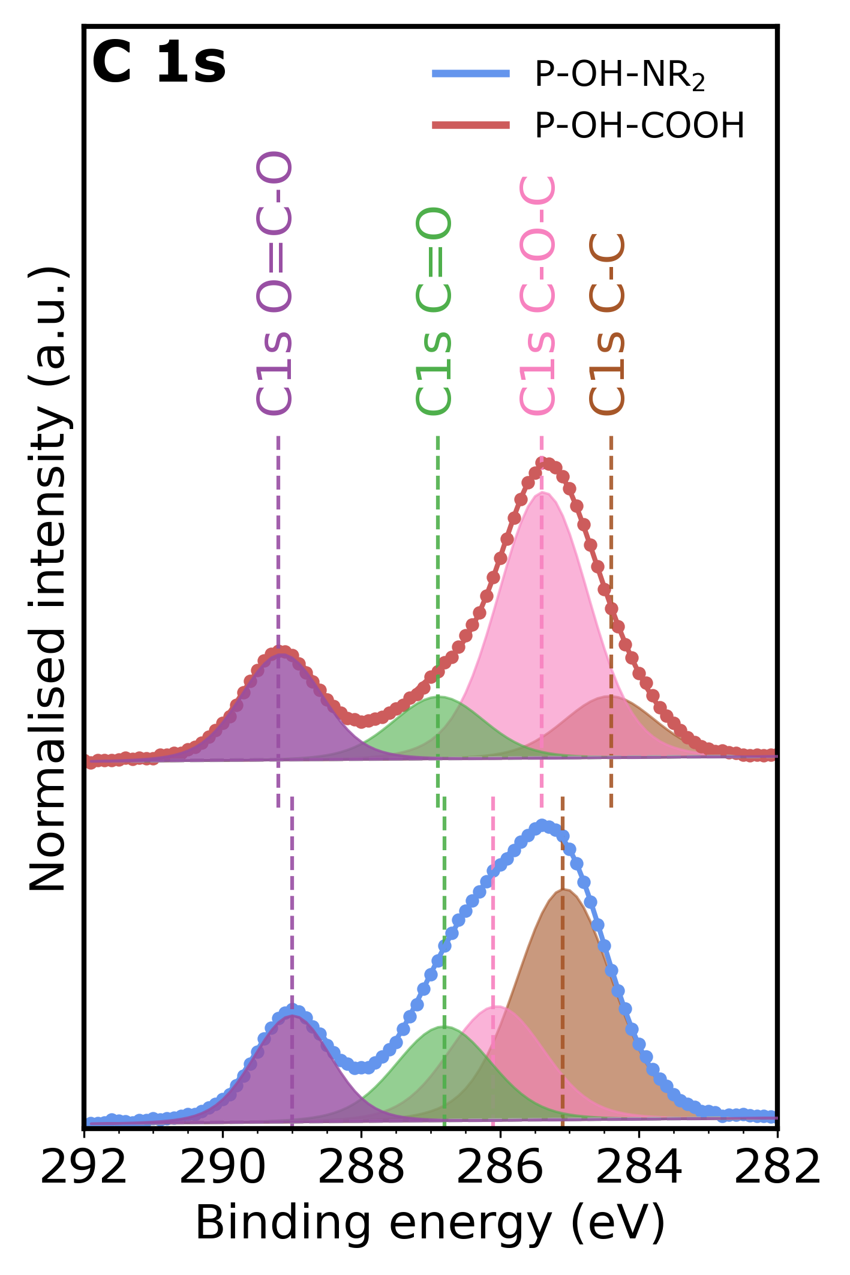
293.68 | 45825.2 | 0 | 0 | 0 | 0 | 0 | 45825.2 | -1.83E-06 | 293.6 | 0.0030250106544 |  |  |  |  |  | 0.0030250106544 | -3.8263042226
293.58 | 45878 | 0 | 0 | 0 | 0 | 0 | 45878 | -5.54E-06 | 293.5 | 0.0074371808906 |  |  |  |  |  | 0.0074371808906 | -3.8263042229
293.48 | 45909.4 | 0 | 0 | 0 | 0 | 0 | 45909.4 | -1.61E-05 | 293.4 | 0.01006108516 |  |  |  |  |  | 0.01006108516 | -3.8263042238
293.38 | 45850.3 | 0 | 0 | 0 | 0 | 0 | 45850.3 | -4.50E-05 | 293.3 | 0.0051224627932 |  |  |  |  |  | 0.0051224627932 | -3.8263042262
293.28 | 45864.6 | 0 | 0 | 0 | 0 | 0 | 45864.6 | -0.000121403 | 293.2 | 0.0063174255655 |  |  |  |  |  | 0.0063174255655 | -3.8263042326
293.18 | 45860.2 | 0 | 0 | 0 | 0 | 0 | 45860.2 | -0.000315102 | 293.1 | 0.0059497447125 |  |  |  |  |  | 0.0059497447125 | -3.8263042488
293.08 | 45856.6 | 0 | 0 | 0 | 0 | 0 | 45856.6 | -0.000787743 | 293 | 0.0056489149237 |  |  |  |  |  | 0.0056489149237 | -3.8263042883
292.98 | 45870.2 | 0 | 0 | 0 | 0 | 0 | 45870.2 | -0.00189715 | 292.9 | 0.0067853830148 |  |  |  |  |  | 0.0067853830148 | -3.826304381
292.88 | 45906.4 | 0 | 0 | 0 | 0 | 0 | 45906.4 | -0.00440234 | 292.8 | 0.0098103936692 |  |  |  |  |  | 0.0098103936692 | -3.8263045904
292.78 | 45952.4 | 0 | 0 | 0 | 0 | 0 | 45952.4 | -0.00984527 | 292.7 | 0.01365432986 |  |  |  |  |  | 0.01365432986 | -3.8263050452
292.68 | 45917.9 | 0 | 0 | 0 | 0 | 0 | 45917.9 | -0.0212245 | 292.6 | 0.010771377717 |  |  |  |  |  | 0.010771377717 | -3.8263059961
292.58 | 45957.8 | 0 | 0 | 0 | 0 | 0 | 45957.9 | -0.0441202 | 292.5 | 0.014105574543 |  |  |  |  |  | 0.014113930926 | -3.8263079093
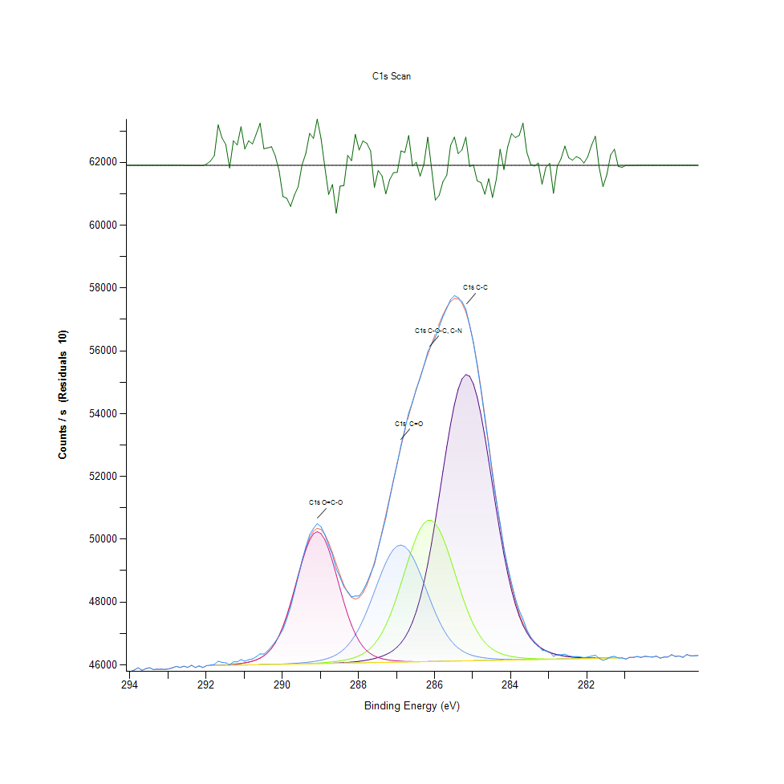
292.48 | 45919.4 | 0 | 0 | 0 | 0 | 0 | 45919.5 | -0.0884638 | 292.4 | 0.010896723462 |  |  |  |  |  | 0.010905079845 | -3.8263116149
292.38 | 45986.4 | 0 | 0 | 0 | 0 | 0 | 45986.5 | -0.171152 | 292.3 | 0.016495500088 |  |  |  |  |  | 0.016503856471 | -3.8263185246
292.28 | 45916.5 | 0 | 0 | 0 | 0 | 0 | 45916.8 | -0.31965 | 292.2 | 0.010654388355 |  |  |  |  |  | 0.010679457504 | -3.8263309337
292.18 | 45964.1 | 0 | 0 | 0 | 0 | 0 | 45964.7 | -0.576579 | 292.1 | 0.014632026674 |  |  |  |  |  | 0.014682164972 | -3.8263524036
292.08 | 45916.3 | 0 | 0 | 0 | 0 | 0 | 45917.3 | -1.00506 | 292 | 0.010637675588 |  |  |  |  |  | 0.010721239419 | -3.8263882091
291.98 | 45979.4 | 45973.1 | 45973.1 | 45973.1 | 45974.8 | 45973.1 | 45974.8 | 4.62343 | 291.9 | 0.015910553276 | 0.015384101146 | 0.015384101146 | 0.015384101146 | 0.015526159657 | 0.015384101146 | 0.015526159657 | -3.825917871
291.88 | 45992.4 | 45975.4 | 45975.4 | 45975.4 | 45978.2 | 45975.4 | 45978.2 | 14.2094 | 291.8 | 0.016996883069 | 0.015576297955 | 0.015576297955 | 0.015576297955 | 0.01581027668 | 0.015576297955 | 0.01581027668 | -3.8251168306
291.78 | 46013.4 | 45977.7 | 45977.7 | 45977.7 | 45982 | 45977.7 | 45982 | 31.3488 | 291.7 | 0.018751723504 | 0.015768494765 | 0.015768494765 | 0.015768494765 | 0.016127819235 | 0.015768494765 | 0.016127819235 | -3.8236845967
291.68 | 46115.8 | 45980 | 45980 | 45980 | 45986.6 | 45980 | 45986.6 | 129.138 | 291.6 | 0.02730865972 | 0.015960691574 | 0.015960691574 | 0.015960691574 | 0.016512212854 | 0.015960691574 | 0.016512212854 | -3.8155129566
291.58 | 46080.1 | 45982.2 | 45982.2 | 45982.2 | 45992.2 | 45982.2 | 45992.2 | 87.8481 | 291.5 | 0.02432543098 | 0.016144532001 | 0.016144532001 | 0.016144532001 | 0.016980170303 | 0.016144532001 | 0.016980170303 | -3.8189632988
291.48 | 46065.3 | 45984.5 | 45984.5 | 45984.5 | 45999 | 45984.5 | 45999 | 66.2867 | 291.4 | 0.023088686293 | 0.01633672881 | 0.01633672881 | 0.01633672881 | 0.017548404349 | 0.01633672881 | 0.017548404349 | -3.8207650519
291.38 | 45999.2 | 45986.8 | 45986.8 | 45986.8 | 46007.2 | 45986.8 | 46007.2 | -8.07787 | 291.3 | 0.017565117115 | 0.01652892562 | 0.01652892562 | 0.01652892562 | 0.018233627757 | 0.01652892562 | 0.018233627757 | -3.8269792402
291.28 | 46095.9 | 45989.1 | 45989.1 | 45989.1 | 46017.3 | 45989.1 | 46017.3 | 78.5253 | 291.2 | 0.025645739498 | 0.016721122429 | 0.016721122429 | 0.016721122429 | 0.019077622442 | 0.016721122429 | 0.019077622442 | -3.8197423476
291.18 | 46094.9 | 45991.3 | 45991.3 | 45991.4 | 46029.7 | 45991.3 | 46029.7 | 65.1178 | 291.1 | 0.025562175668 | 0.016904962856 | 0.016904962856 | 0.016913319239 | 0.020113813937 | 0.016904962856 | 0.020113813937 | -3.8208627297
291.08 | 46168.2 | 45993.6 | 45993.6 | 45993.7 | 46044.9 | 45993.6 | 46045 | 123.181 | 291 | 0.031687404424 | 0.017097159665 | 0.017097159665 | 0.017105516048 | 0.021383984156 | 0.017097159665 | 0.021392340539 | -3.8160107463
290.98 | 46116.6 | 45995.9 | 45995.9 | 45996.1 | 46063.9 | 45995.9 | 46064.1 | 52.5113 | 290.9 | 0.027375510784 | 0.017289356475 | 0.017289356475 | 0.017306069241 | 0.022971696931 | 0.017289356475 | 0.022988409697 | -3.8219161771
290.88 | 46166.3 | 45998.2 | 45998.2 | 45998.5 | 46087.9 | 45998.2 | 46088.2 | 78.108 | 290.8 | 0.031528633146 | 0.017481553284 | 0.017481553284 | 0.017506622434 | 0.024977228856 | 0.017481553284 | 0.025002298005 | -3.8197772188
290.78 | 46187.6 | 46000.4 | 46000.4 | 46000.9 | 46118.8 | 46000.4 | 46119.3 | 68.2839 | 290.7 | 0.03330854273 | 0.017665393711 | 0.017665393711 | 0.017707175626 | 0.02755935121 | 0.017665393711 | 0.027601133126 | -3.8205981583
290.68 | 46260.8 | 46002.7 | 46002.7 | 46003.5 | 46159.6 | 46002.7 | 46160.4 | 100.393 | 290.6 | 0.039425415103 | 0.017857590521 | 0.017857590521 | 0.017924441585 | 0.030968755484 | 0.017857590521 | 0.031035606548 | -3.8179149989
290.58 | 46349.8 | 46005 | 46005 | 46006.1 | 46214.4 | 46005 | 46215.6 | 134.215 | 290.5 | 0.046862595994 | 0.01804978733 | 0.01804978733 | 0.018141707543 | 0.035548053381 | 0.01804978733 | 0.035648329977 | -3.815088703
290.48 | 46343.6 | 46007.3 | 46007.3 | 46009 | 46288.7 | 46007.3 | 46290.5 | 53.0845 | 290.4 | 0.046344500247 | 0.01824198414 | 0.01824198414 | 0.018384042651 | 0.041756845967 | 0.01824198414 | 0.041907260861 | -3.8218682783
290.38 | 46447.8 | 46009.5 | 46009.6 | 46012.1 | 46389.4 | 46009.5 | 46392 | 55.8289 | 290.3 | 0.055051851357 | 0.018425824566 | 0.018434180949 | 0.018643090525 | 0.050171723671 | 0.018425824566 | 0.05038898963 | -3.8216389458
290.28 | 46587.9 | 46011.8 | 46012 | 46015.5 | 46524.6 | 46011.8 | 46528.4 | 59.5056 | 290.2 | 0.066759143972 | 0.018618021376 | 0.018634734142 | 0.018927207547 | 0.061469553518 | 0.018618021376 | 0.061787096073 | -3.8213317066
290.18 | 46738.2 | 46014.1 | 46014.4 | 46019.3 | 46703 | 46014.1 | 46708.5 | 29.7276 | 290.1 | 0.079318787656 | 0.018810218185 | 0.018835287334 | 0.019244750102 | 0.076377340832 | 0.018810218185 | 0.076836941898 | -3.8238200704
290.08 | 46921.8 | 46016.4 | 46016.8 | 46023.6 | 46932.4 | 46016.4 | 46940 | -18.2372 | 290 | 0.094661106886 | 0.019002414995 | 0.019035840527 | 0.019604074572 | 0.095546883487 | 0.019002414995 | 0.096181968597 | -3.8278281928
289.98 | 47129.3 | 46018.7 | 46019.3 | 46028.5 | 47218.1 | 46018.6 | 47228.6 | -99.3226 | 289.9 | 0.11200060166 | 0.019194611804 | 0.019244750102 | 0.02001353734 | 0.11942106978 | 0.019186255421 | 0.12029849 | -3.8346039994
289.88 | 47470.7 | 46020.9 | 46022 | 46034.1 | 47561.1 | 46020.9 | 47575.4 | -104.61 | 289.8 | 0.1405292933 | 0.019378452231 | 0.019470372444 | 0.02048149479 | 0.14808346355 | 0.019378452231 | 0.14927842633 | -3.8350458348
289.78 | 47844.1 | 46023.2 | 46024.8 | 46040.5 | 47955.8 | 46023.2 | 47974.7 | -130.596 | 289.7 | 0.17173202751 | 0.01957064904 | 0.019704351169 | 0.021016303303 | 0.18106610735 | 0.01957064904 | 0.18264546374 | -3.8372173245
289.68 | 48318.7 | 46025.5 | 46027.9 | 46047.9 | 48388.5 | 46025.5 | 48413.4 | -94.7374 | 289.6 | 0.21139142134 | 0.01976284585 | 0.019963399042 | 0.021634675647 | 0.21722417669 | 0.01976284585 | 0.21930491606 | -3.8342208425
289.58 | 48802.3 | 46027.8 | 46031.3 | 46056.4 | 48837.3 | 46027.8 | 48869.7 | -67.4013 | 289.5 | 0.25180288964 | 0.019955042659 | 0.020247516065 | 0.022344968204 | 0.2547276237 | 0.019955042659 | 0.25743509179 | -3.8319365333
289.48 | 49316 | 46030.1 | 46035.2 | 46066.3 | 49273.2 | 46030 | 49314.7 | 1.24998 | 289.4 | 0.29472962923 | 0.020147239469 | 0.020573415003 | 0.023172250123 | 0.29115309729 | 0.020138883086 | 0.29462099625 | -3.8261997694
289.38 | 49753.7 | 46032.5 | 46039.5 | 46077.7 | 49662.6 | 46032.3 | 49715.4 | 38.2844 | 289.3 | 0.33130551772 | 0.020347792661 | 0.020932739473 | 0.024124877788 | 0.32369285279 | 0.020331079895 | 0.32810502302 | -3.8231050314
289.28 | 50140.6 | 46034.9 | 46044.5 | 46091.1 | 49971.8 | 46034.6 | 50038.6 | 101.965 | 289.2 | 0.36363636364 | 0.020548345854 | 0.021350558624 | 0.025244633113 | 0.34953078909 | 0.020523276705 | 0.35511285295 | -3.8177836365
289.18 | 50342 | 46037.5 | 46050.3 | 46107 | 50171.8 | 46036.9 | 50256.1 | 85.9124 | 289.1 | 0.38046611905 | 0.020765611813 | 0.02183522884 | 0.026573298014 | 0.36624355514 | 0.020715473514 | 0.37328798603 | -3.8191250533
289.08 | 50496.2 | 46040.1 | 46057 | 46126.2 | 50243.1 | 46039.1 | 50349 | 147.2 | 289 | 0.39335166167 | 0.020982877771 | 0.022395106502 | 0.028177723554 | 0.37220165624 | 0.020899313941 | 0.38105106586 | -3.8140036267
288.98 | 50397.8 | 46043 | 46064.7 | 46149.7 | 50178.6 | 46041.4 | 50311.7 | 86.0396 | 288.9 | 0.38512898077 | 0.021225212879 | 0.023038547995 | 0.030141473565 | 0.36681178919 | 0.02109151075 | 0.37793413499 | -3.819114424
288.88 | 50147.1 | 46046.1 | 46073.7 | 46178.9 | 49985.1 | 46043.7 | 50152.7 | -5.61642 | 288.8 | 0.36417952853 | 0.021484260753 | 0.023790622467 | 0.032581537407 | 0.35064218804 | 0.02128370756 | 0.36464748598 | -3.826773552
288.78 | 49801.2 | 46049.6 | 46084.2 | 46215.7 | 49682 | 46046 | 49893.7 | -92.5224 | 288.7 | 0.33527479966 | 0.021776734158 | 0.024668042684 | 0.03565668636 | 0.32531399109 | 0.02147590437 | 0.34300445395 | -3.8340357486
288.68 | 49505.4 | 46053.7 | 46096.3 | 46262.7 | 49298.3 | 46048.2 | 49566.4 | -60.916 | 288.6 | 0.31055661867 | 0.022119345862 | 0.02567916503 | 0.039584186381 | 0.29325054943 | 0.021659744796 | 0.31565401232 | -3.8313945968
288.58 | 49055.8 | 46058.4 | 46110.6 | 46323 | 48867.5 | 46050.5 | 49207.9 | -152.166 | 288.5 | 0.2729863206 | 0.022512095864 | 0.026874127803 | 0.044623085344 | 0.25725125137 | 0.021851941606 | 0.28569637918 | -3.8390197963
288.48 | 48790.1 | 46064.1 | 46127.5 | 46399.9 | 48423.1 | 46052.8 | 48856.3 | -66.1761 | 288.4 | 0.25078341091 | 0.022988409697 | 0.028286356533 | 0.051049143889 | 0.22011548521 | 0.022044138415 | 0.25631533647 | -3.8318341509
288.38 | 48481.3 | 46070.9 | 46147.8 | 46497.7 | 47994.5 | 46055.1 | 48545.6 | -64.3579 | 288.3 | 0.22497890013 | 0.023556643742 | 0.029982702287 | 0.059221686485 | 0.18430002758 | 0.022236335225 | 0.23035205442 | -3.8316822151
288.28 | 48335.3 | 46079 | 46172.4 | 46620.4 | 47603.6 | 46057.3 | 48303.4 | 31.9453 | 288.2 | 0.21277858092 | 0.024233510767 | 0.032038372511 | 0.069474968455 | 0.15163492634 | 0.022420175651 | 0.21011289473 | -3.8236347509
288.18 | 48164 | 46088.7 | 46202.9 | 46771.9 | 47264.2 | 46059.6 | 48149 | 15.0148 | 288.1 | 0.1984640968 | 0.02504407992 | 0.034587069333 | 0.082134888735 | 0.12327336236 | 0.022612372461 | 0.19721063935 | -3.8250495283
288.08 | 48192.4 | 46100.4 | 46241.2 | 46955.6 | 46982.1 | 46061.9 | 48093.6 | 98.8398 | 288 | 0.20083730958 | 0.026021776734 | 0.037787564031 | 0.097485564348 | 0.099700005849 | 0.02280456927 | 0.19258120315 | -3.8180447902
287.98 | 48190.3 | 46114.4 | 46289.9 | 47173 | 46756.4 | 46064.2 | 48141.2 | 49.0627 | 287.9 | 0.20066182554 | 0.027191670357 | 0.041857122563 | 0.11565234104 | 0.080839649366 | 0.02299676608 | 0.19655884147 | -3.8222043553
287.88 | 48367.6 | 46130.9 | 46352.3 | 47424.1 | 46581.8 | 46066.4 | 48289.8 | 77.7346 | 287.8 | 0.21547769264 | 0.028570473556 | 0.04707150557 | 0.13663521881 | 0.066249404608 | 0.023180606506 | 0.20897642664 | -3.8198084216
287.78 | 48603.6 | 46150.6 | 46432.4 | 47705.9 | 46450.4 | 46068.7 | 48533.2 | 70.4621 | 287.7 | 0.23519875657 | 0.030216681012 | 0.053764968371 | 0.16018350617 | 0.055269117315 | 0.023372803316 | 0.22931586292 | -3.8204161395
287.68 | 48907.8 | 46173.8 | 46534.7 | 48012.3 | 46353.8 | 46071 | 48861.7 | 46.1241 | 287.6 | 0.26061887373 | 0.032155361873 | 0.062313548204 | 0.18578746375 | 0.047196851315 | 0.023565000125 | 0.25676658115 | -3.822449916
287.58 | 49193.7 | 46201.6 | 46664.2 | 48334.1 | 46283.7 | 46073.3 | 49263.7 | -70.0476 | 287.5 | 0.28450977279 | 0.034478436354 | 0.073135064219 | 0.21267830432 | 0.041339026816 | 0.023757196935 | 0.29035924091 | -3.8321576682
287.48 | 49709.6 | 46234.9 | 46825.8 | 48658.7 | 46233.2 | 46075.6 | 49726 | -16.4306 | 287.4 | 0.32762035281 | 0.0372611119 | 0.086638979184 | 0.23980312362 | 0.037119053389 | 0.023949393744 | 0.32899079962 | -3.8276772263
287.38 | 50200.7 | 46275.5 | 47024.1 | 48971.2 | 46196.7 | 46077.8 | 50234.1 | -33.3552 | 287.3 | 0.36865854983 | 0.040653803408 | 0.10320968672 | 0.26591682056 | 0.034068973585 | 0.024133234171 | 0.37144958176 | -3.8290915108
287.28 | 50682.8 | 46325.6 | 47262.3 | 49255.4 | 46170.2 | 46080.1 | 50773.2 | -90.413 | 287.2 | 0.40894467239 | 0.044840351302 | 0.12311459108 | 0.28966566112 | 0.031854532084 | 0.02432543098 | 0.41649884264 | -3.8338594791
287.18 | 51282.6 | 46388.4 | 47541.6 | 49494.9 | 46150.7 | 46082.4 | 51328.5 | -45.9069 | 287.1 | 0.45906625776 | 0.050088159841 | 0.14645396886 | 0.30967919846 | 0.030225037395 | 0.02451762779 | 0.46290183757 | -3.8301403789
287.08 | 51863 | 46468.2 | 47860.7 | 49675 | 46136.2 | 46084.7 | 51886.1 | -23.1117 | 287 | 0.50756670483 | 0.056756553493 | 0.17311918709 | 0.32472904428 | 0.029013361856 | 0.0247098246 | 0.50949702931 | -3.8282355247
286.98 | 52411.6 | 46570.5 | 48214.3 | 49784.1 | 46125.5 | 46086.9 | 52433.6 | -22.0203 | 286.9 | 0.55340982209 | 0.065305133326 | 0.20266735746 | 0.33384585816 | 0.028119228873 | 0.024893665026 | 0.55524822636 | -3.8281443231
286.88 | 53007.3 | 46702.4 | 48593.6 | 49815 | 46117.6 | 46089.2 | 52961.1 | 46.2341 | 286.8 | 0.60318879576 | 0.076327202534 | 0.23436311827 | 0.33642798051 | 0.027459074614 | 0.025085861836 | 0.5993281468 | -3.822440724
286.78 | 53502.8 | 46872.2 | 48985.8 | 49765.8 | 46112 | 46091.5 | 53461.4 | 41.4039 | 286.7 | 0.64459467364 | 0.090516340907 | 0.26713685248 | 0.33231664007 | 0.026991117165 | 0.025278058645 | 0.64113513107 | -3.822844354
286.68 | 54025.7 | 47089.2 | 49374.3 | 49640 | 46108.3 | 46093.8 | 53930.6 | 95.0908 | 286.6 | 0.68829020047 | 0.10864969207 | 0.29960140053 | 0.32180431022 | 0.026681930993 | 0.025470255455 | 0.68034328021 | -3.818358071
286.58 | 54366.2 | 47363.8 | 49740.3 | 49446.1 | 46106.1 | 46096 | 54368.2 | -2.0557 | 286.5 | 0.71674368466 | 0.13159631985 | 0.33018576239 | 0.30560128354 | 0.026498090566 | 0.025654095881 | 0.71691081232 | -3.8264760046
286.48 | 54786.5 | 47705.9 | 50063.8 | 49196.8 | 46105.1 | 46098.3 | 54776.6 | 9.95051 | 286.4 | 0.75186556251 | 0.16018350617 | 0.35721866147 | 0.28476882066 | 0.026414526736 | 0.025846292691 | 0.75103828059 | -3.8254727198
286.38 | 55125.7 | 48123.9 | 50325.7 | 48907.4 | 46105 | 46100.6 | 55160.2 | -34.447 | 286.3 | 0.78021041372 | 0.19511318721 | 0.37910402861 | 0.26058544819 | 0.026406170353 | 0.0260384895 | 0.78309336587 | -3.8291827457
286.28 | 55529.2 | 48623.8 | 50509.4 | 48594.3 | 46105.6 | 46102.9 | 55524.5 | 4.66339 | 286.2 | 0.81392841922 | 0.23688674594 | 0.39445470423 | 0.23442161295 | 0.026456308651 | 0.02623068631 | 0.81353566922 | -3.8259145318
286.18 | 55964.7 | 49206.8 | 50603 | 48273.6 | 46106.8 | 46105.1 | 55874.9 | 89.8528 | 286.1 | 0.85032046729 | 0.28560445897 | 0.40227627874 | 0.20762269259 | 0.026556585248 | 0.026414526736 | 0.84281643533 | -3.8187957784
286.08 | 56204.9 | 49868.2 | 50600.3 | 47959.7 | 46108.4 | 46107.4 | 56214.4 | -9.48984 | 286 | 0.87039249931 | 0.34087357628 | 0.40205065639 | 0.18139200628 | 0.026690287376 | 0.026606723546 | 0.8711863557 | -3.8270972299
285.98 | 56432.5 | 50596.1 | 50501.6 | 47664 | 46110.3 | 46109.7 | 56543 | -110.502 | 285.9 | 0.88941162707 | 0.40169968831 | 0.39380290635 | 0.15668218168 | 0.026849058653 | 0.026798920355 | 0.89864543031 | -3.8355381928
285.88 | 56760.1 | 51370.3 | 50313.8 | 47395.1 | 46112.3 | 46112 | 56855.7 | -95.5477 | 285.8 | 0.91678713786 | 0.46639480567 | 0.37810961903 | 0.13421186774 | 0.027016186314 | 0.026991117165 | 0.92477584003 | -3.8342885543
285.78 | 57090.1 | 52163 | 50049.4 | 47158 | 46114.4 | 46114.2 | 57142 | -51.9369 | 285.7 | 0.94436320183 | 0.5326358539 | 0.35601534232 | 0.11439888359 | 0.027191670357 | 0.027174957591 | 0.94870016462 | -3.8306442688
285.68 | 57355 | 52939.3 | 49725.2 | 46954.9 | 46116.6 | 46116.5 | 57386.4 | -31.376 | 285.6 | 0.96649926046 | 0.59750645531 | 0.32892394856 | 0.097427069667 | 0.027375510784 | 0.027367154401 | 0.96912316473 | -3.8289261212
285.58 | 57632.1 | 53660.3 | 49360.5 | 46785.2 | 46118.8 | 46118.8 | 57568.5 | 63.5997 | 285.5 | 0.98965479782 | 0.6577559769 | 0.29844821967 | 0.083246287677 | 0.02755935121 | 0.02755935121 | 0.98434013821 | -3.8209895879
285.48 | 57755.9 | 54285.7 | 48975.3 | 46646.9 | 46121.1 | 46121.1 | 57665.7 | 90.1967 | 285.4 | 1 | 0.71001679633 | 0.26625943227 | 0.071689409956 | 0.02775154802 | 0.02775154802 | 0.99246254251 | -3.8187670408
285.38 | 57693.1 | 54777.5 | 48588.4 | 46536.3 | 46123.4 | 46123.4 | 57655.4 | 37.6803 | 285.3 | 0.99475219146 | 0.75111348804 | 0.23392858635 | 0.062447250332 | 0.027943744829 | 0.027943744829 | 0.99160183506 | -3.8231555123
285.28 | 57567.7 | 55104.3 | 48215.7 | 46449.4 | 46125.6 | 46125.6 | 57518.2 | 49.4629 | 285.2 | 0.98427328715 | 0.77842214776 | 0.20278434682 | 0.055185553485 | 0.028127585256 | 0.028127585256 | 0.98013687755 | -3.8221709131
285.18 | 57330.8 | 55244.6 | 47869.8 | 46382.2 | 46127.9 | 46127.9 | 57240.8 | 89.9808 | 285.1 | 0.96447701577 | 0.79014615314 | 0.17387961795 | 0.049570064093 | 0.028319782066 | 0.028319782066 | 0.95695627105 | -3.8187850822
285.08 | 56815.1 | 55189 | 47559.2 | 46330.7 | 46130.2 | 46130.2 | 56818.5 | -3.39901 | 285 | 0.92138314852 | 0.78550000418 | 0.14792469228 | 0.045266526837 | 0.028511978875 | 0.028511978875 | 0.92166726554 | -3.8265882568
284.98 | 56257.5 | 54941.3 | 47288.6 | 46291.4 | 46132.5 | 46132.5 | 56256.4 | 1.13813 | 284.9 | 0.87478795678 | 0.76480124343 | 0.12531231982 | 0.041982468308 | 0.028704175685 | 0.028704175685 | 0.87469603657 | -3.826209116
284.88 | 55520.1 | 54518.4 | 47059.2 | 46261.5 | 46134.7 | 46134.7 | 55569.6 | -49.5477 | 284.8 | 0.81316798837 | 0.72946209962 | 0.10614277716 | 0.039483909784 | 0.028888016111 | 0.028888016111 | 0.81730439796 | -3.8304446181
284.78 | 54727.3 | 53948.2 | 46869.3 | 46238.7 | 46137 | 46137 | 54782.2 | -54.9054 | 284.7 | 0.74691858376 | 0.68181400363 | 0.090274005799 | 0.037578654455 | 0.029080212921 | 0.029080212921 | 0.75150623804 | -3.830892328
284.68 | 53832.8 | 53266.2 | 46715.8 | 46221.1 | 46139.3 | 46139.3 | 53924.5 | -91.7617 | 284.6 | 0.67217073762 | 0.62482347141 | 0.077446957859 | 0.036107931043 | 0.02927240973 | 0.02927240973 | 0.67983354085 | -3.8339721816
284.58 | 52988.1 | 52512.2 | 46593.9 | 46207.6 | 46141.6 | 46141.6 | 53030.5 | -42.4207 | 284.5 | 0.60158437022 | 0.56181634341 | 0.067260526954 | 0.034979819335 | 0.02946460654 | 0.02946460654 | 0.60512747662 | -3.8298490587
284.48 | 52032.2 | 51726.3 | 46498.6 | 46197 | 46143.8 | 46143.8 | 52134.2 | -102.067 | 284.4 | 0.5217057049 | 0.49614352923 | 0.059296893932 | 0.034094042735 | 0.029648446966 | 0.029648446966 | 0.53022921559 | -3.8348333319
284.38 | 51222.7 | 50945.3 | 46425.1 | 46188.7 | 46146.1 | 46146.1 | 51266.9 | -44.2539 | 284.3 | 0.45406078433 | 0.43088017782 | 0.05315495241 | 0.033400462944 | 0.029840643776 | 0.029840643776 | 0.45775430563 | -3.8300022479
284.28 | 50505.7 | 50200 | 46368.8 | 46182.3 | 46148.4 | 46148.4 | 50454.4 | 51.3156 | 284.2 | 0.39414551805 | 0.36860005515 | 0.048450308768 | 0.03286565443 | 0.030032840585 | 0.030032840585 | 0.38985869356 | -3.8220160944
284.18 | 49702.8 | 49514 | 46325.9 | 46177.4 | 46150.7 | 46150.7 | 49715.9 | -13.0615 | 284.1 | 0.32705211876 | 0.31127526761 | 0.044865420451 | 0.032456191662 | 0.030225037395 | 0.030225037395 | 0.32814680494 | -3.8273956914
284.08 | 49123 | 48902.3 | 46293 | 46173.8 | 46152.9 | 46152.9 | 49063.2 | 59.728 | 284 | 0.27860180999 | 0.26015927266 | 0.042116170437 | 0.032155361873 | 0.030408877821 | 0.030408877821 | 0.27360469294 | -3.821313122
283.98 | 48602.6 | 48372.7 | 46267.7 | 46171.2 | 46155.2 | 46155.2 | 48501.3 | 101.305 | 283.9 | 0.23511519274 | 0.21590386817 | 0.040002005532 | 0.031938095915 | 0.030601074631 | 0.030601074631 | 0.22665017674 | -3.8178387887
283.88 | 48117.7 | 47926.1 | 46248.2 | 46169.6 | 46157.5 | 46157.5 | 48028.9 | 88.7522 | 283.8 | 0.19459509146 | 0.17858426159 | 0.038372510842 | 0.031804393786 | 0.03079327144 | 0.03079327144 | 0.18717462334 | -3.8188877487
283.78 | 47735.9 | 47558.4 | 46232.9 | 46168.8 | 46159.8 | 46159.8 | 47640.5 | 95.4413 | 283.7 | 0.16269042108 | 0.14785784121 | 0.03709398424 | 0.031737542722 | 0.03098546825 | 0.03098546825 | 0.15471843167 | -3.8183287819
283.68 | 47461.5 | 47261.8 | 46220.8 | 46168.6 | 46162 | 46162 | 47327.2 | 134.332 | 283.6 | 0.13976050606 | 0.12307280917 | 0.036082861894 | 0.031720829956 | 0.031169308676 | 0.031169308676 | 0.12853788366 | -3.815078926
283.58 | 47120.9 | 47026.9 | 46211.3 | 46169 | 46164.3 | 46164.3 | 47078.6 | 42.2462 | 283.5 | 0.11129866549 | 0.10344366544 | 0.035289005507 | 0.031754255488 | 0.031361505486 | 0.031361505486 | 0.10776391547 | -3.8227739682
283.48 | 46887.9 | 46843.5 | 46203.9 | 46169.9 | 46166.6 | 46166.6 | 46884.1 | 3.81226 | 283.4 | 0.091828293042 | 0.088118058979 | 0.034670633163 | 0.031829462935 | 0.031553702295 | 0.031553702295 | 0.091510750487 | -3.8259856554
283.38 | 46731.2 | 46701.7 | 46198.1 | 46171.2 | 46168.9 | 46168.9 | 46733.2 | -1.99421 | 283.3 | 0.078733840844 | 0.076268707852 | 0.034185962948 | 0.031938095915 | 0.031745899105 | 0.031745899105 | 0.078900968505 | -3.8264708663
283.28 | 46624.6 | 46592.7 | 46193.8 | 46172.7 | 46171.2 | 46171.2 | 46616.9 | 7.71147 | 283.2 | 0.069825936542 | 0.067160250357 | 0.033826638478 | 0.03206344166 | 0.031938095915 | 0.031938095915 | 0.069182495049 | -3.8256598225
283.18 | 46467.1 | 46508.9 | 46190.7 | 46174.4 | 46173.4 | 46173.4 | 46527.3 | -60.1402 | 283.1 | 0.05666463328 | 0.060157601384 | 0.033567590604 | 0.032205500171 | 0.032121936341 | 0.032121936341 | 0.06169517586 | -3.8313297679
283.08 | 46451.4 | 46444.3 | 46188.7 | 46176.4 | 46175.7 | 46175.7 | 46458 | -6.58499 | 283 | 0.055352681145 | 0.054759377951 | 0.033400462944 | 0.032372627832 | 0.032314133151 | 0.032314133151 | 0.055904202425 | -3.8268544895
282.98 | 46410.3 | 46394 | 46187.6 | 46178.4 | 46178 | 46178 | 46404 | 6.32584 | 282.9 | 0.051918207723 | 0.05055611729 | 0.03330854273 | 0.032539755492 | 0.03250632996 | 0.03250632996 | 0.051391755593 | -3.8257756111
282.88 | 46272.5 | 46354.4 | 46187.2 | 46180.5 | 46180.3 | 46180.3 | 46361.6 | -89.0631 | 282.8 | 0.040403111917 | 0.047246989613 | 0.033275117198 | 0.032715239536 | 0.03269852677 | 0.03269852677 | 0.047848649191 | -3.8337466762
282.78 | 46324.7 | 46322.8 | 46187.5 | 46182.7 | 46182.5 | 46182.5 | 46327.9 | -3.25699 | 282.7 | 0.044765143855 | 0.044606372578 | 0.033300186347 | 0.032899079962 | 0.032882367196 | 0.032882367196 | 0.045032548112 | -3.826576389
282.68 | 46322.4 | 46297.5 | 46188.3 | 46184.9 | 46184.8 | 46184.8 | 46301 | 21.3035 | 282.6 | 0.044572947046 | 0.042492207673 | 0.033367037412 | 0.033082920389 | 0.033074564006 | 0.033074564006 | 0.042784681079 | -3.8245240204
282.58 | 46341 | 46277.1 | 46189.4 | 46187.1 | 46187.1 | 46187.1 | 46279.5 | 61.5638 | 282.5 | 0.046127234288 | 0.040787505536 | 0.033458957625 | 0.033266760815 | 0.033266760815 | 0.033266760815 | 0.040988058729 | -3.8211597155
282.48 | 46286.5 | 46260.6 | 46190.9 | 46189.4 | 46189.4 | 46189.4 | 46262.2 | 24.3314 | 282.4 | 0.04157300554 | 0.039408702337 | 0.03358430337 | 0.033458957625 | 0.033458957625 | 0.033458957625 | 0.039542404466 | -3.8242709975
282.38 | 46264.9 | 46247.4 | 46192.7 | 46191.7 | 46191.6 | 46191.6 | 46248.4 | 16.4807 | 282.3 | 0.039768026807 | 0.038305659778 | 0.033734718265 | 0.033651154434 | 0.033642798051 | 0.033642798051 | 0.038389223608 | -3.8249270321
282.28 | 46265.8 | 46236.9 | 46194.6 | 46193.9 | 46193.9 | 46193.9 | 46237.6 | 28.1958 | 282.2 | 0.039843234254 | 0.037428239561 | 0.033893489542 | 0.033834994861 | 0.033834994861 | 0.033834994861 | 0.037486734242 | -3.8239480734
282.18 | 46251.5 | 46228.9 | 46196.6 | 46196.2 | 46196.2 | 46196.2 | 46229.3 | 22.1491 | 282.1 | 0.038648271482 | 0.036759728919 | 0.034060617202 | 0.03402719167 | 0.03402719167 | 0.03402719167 | 0.036793154451 | -3.8244533588
282.08 | 46230.6 | 46223 | 46198.7 | 46198.5 | 46198.5 | 46198.5 | 46223.2 | 7.33201 | 282 | 0.03690178743 | 0.036266702321 | 0.034236101246 | 0.03421938848 | 0.03421938848 | 0.03421938848 | 0.036283415087 | -3.8256915316
...

